diagrams
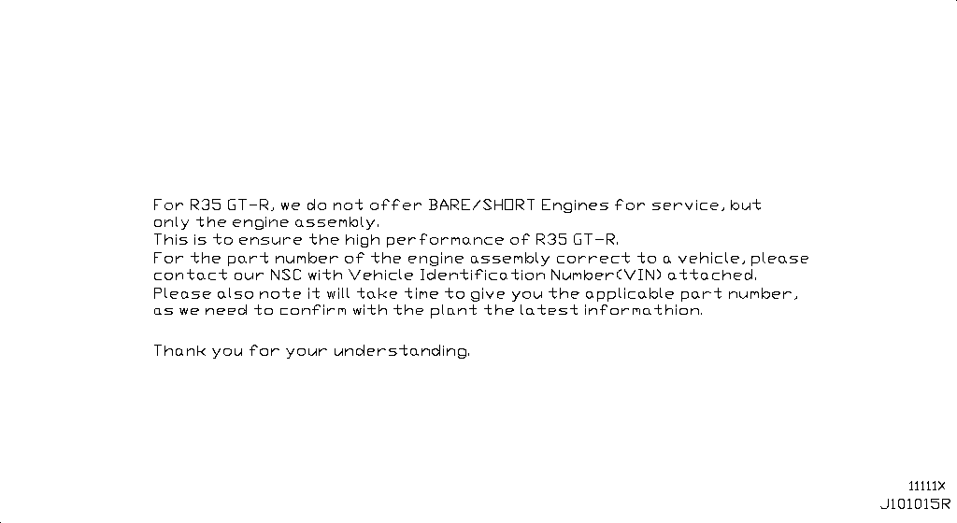
Bare & Short Engine
App. model: VR38DETT • [11.2013-11.2014]

Engine Gasket Kit
App. model: VR38DETT • [11.2013-11.2014]

Cylinder Block & Oil Pan
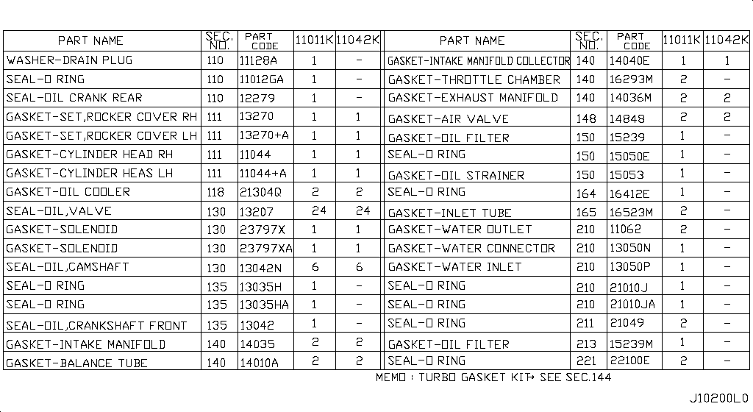 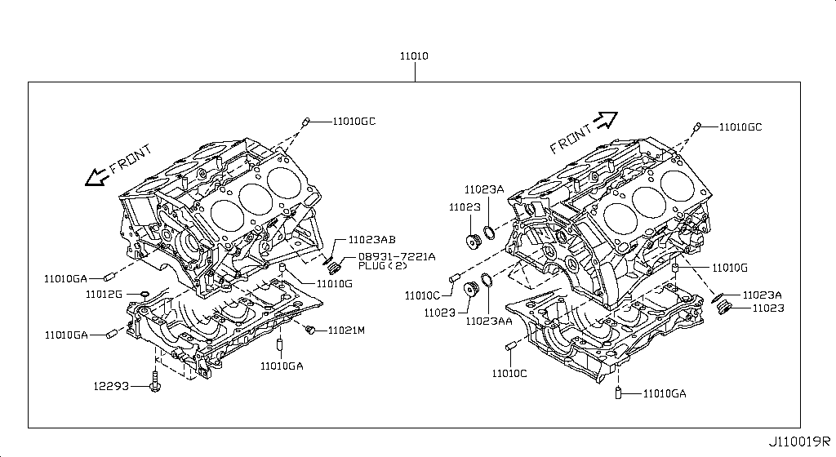 Specification: COMPONENT PARTS; App. model: VR38DETT • [11.2013-11.2014]

Cylinder Head & Rocker Cover
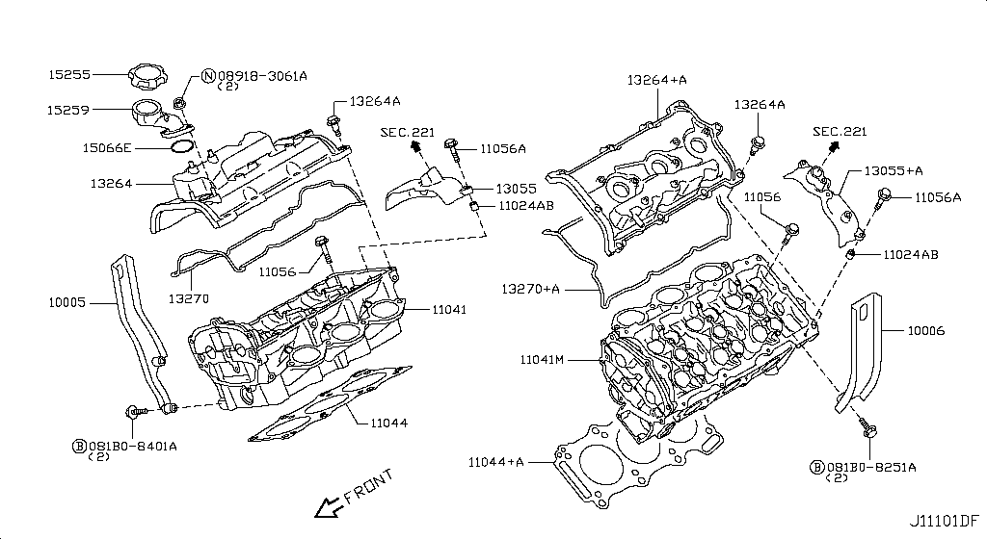 Specification: ASSEMBLY; App. model: VR38DETT • [11.2013-11.2014]
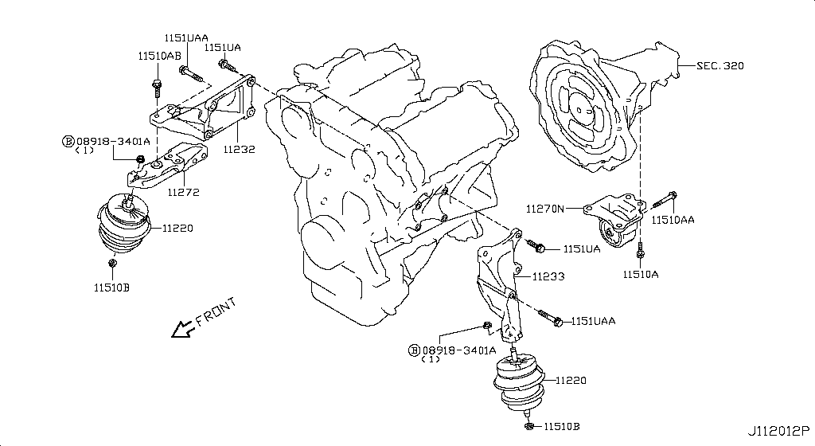
Engine & Transmission Mounting
Specification: E/G MOUNT; App. model: VR38DETT • [08.2017-]
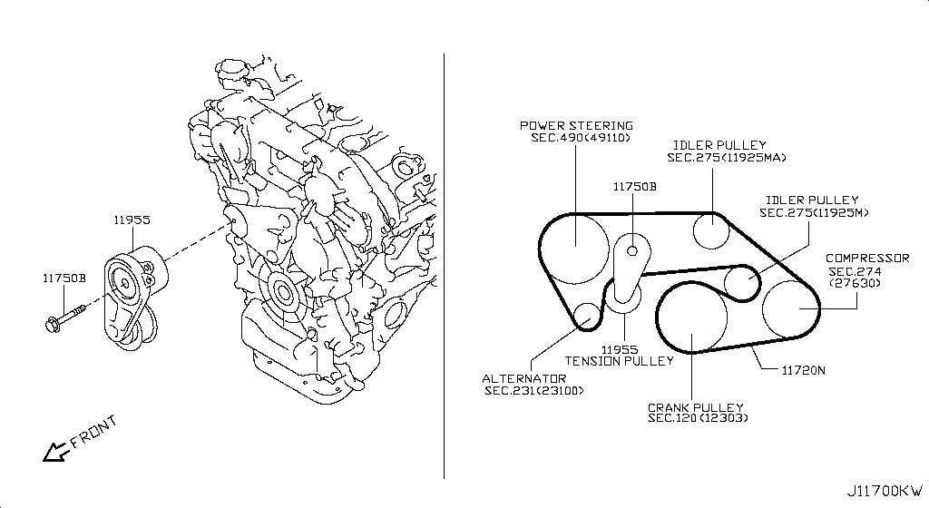
Fan,Compressor & Power Steering Belt
App. model: VR38DETT • [11.2013-11.2014]

Crankcase Ventilation
App. model: VR38DETT • [11.2013-11.2014]

Piston,Crankshaft & Flywheel
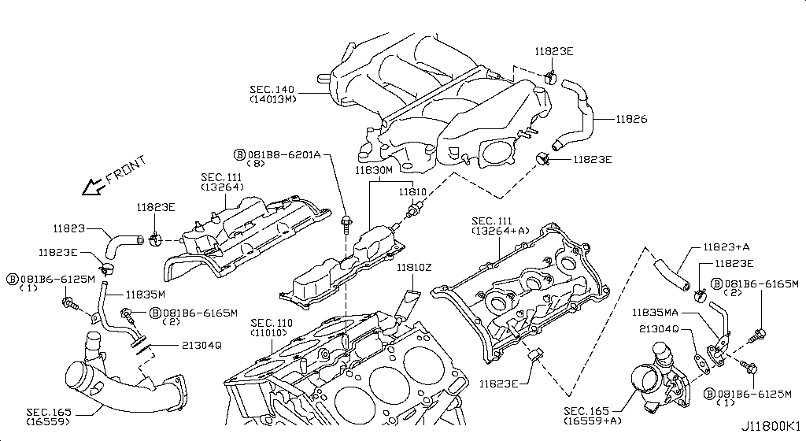 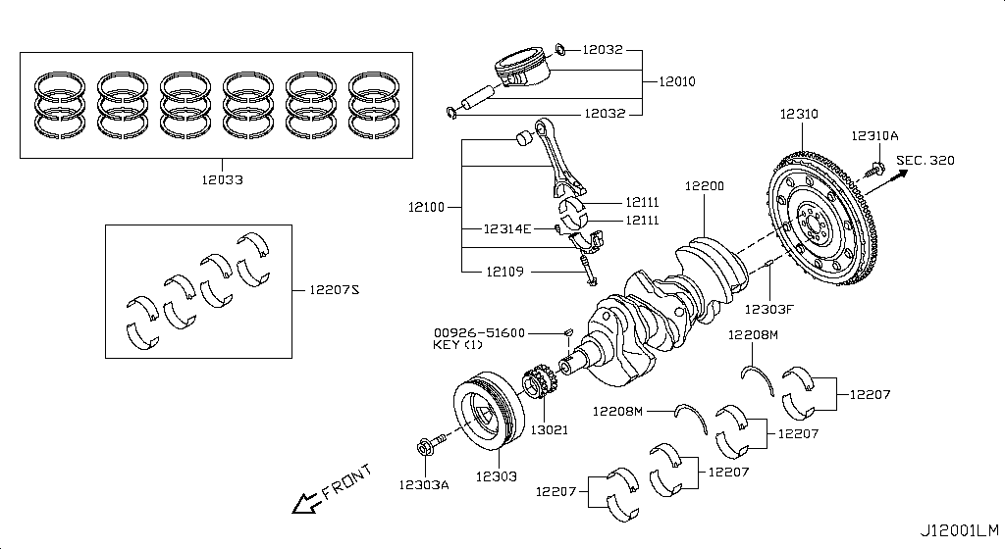 Specification: MAIN PARTS; App. model: VR38DETT • [11.2013-11.2014]

Camshaft & Valve Mechanism
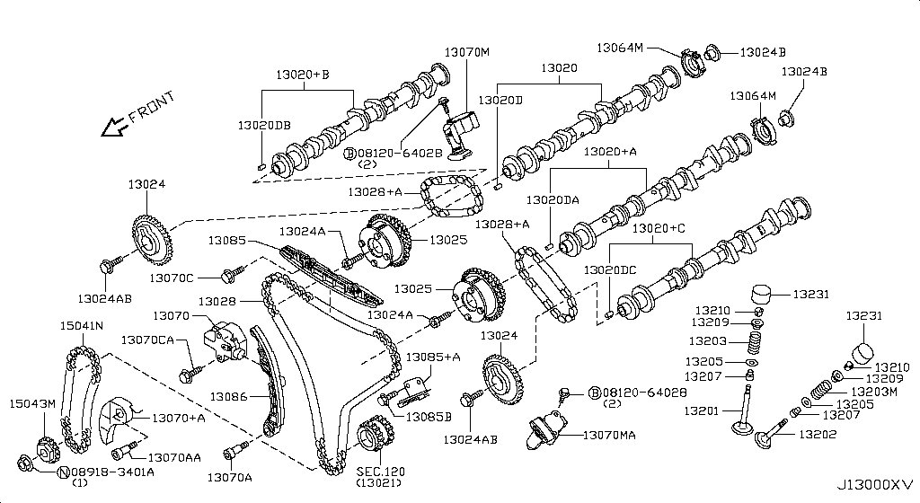 Specification: CAMSHAFT & VALVE MECHANISM; App. model: VR38DETT • [11.2013-11.2014]

Front Cover,Vacuum Pump & Fitting
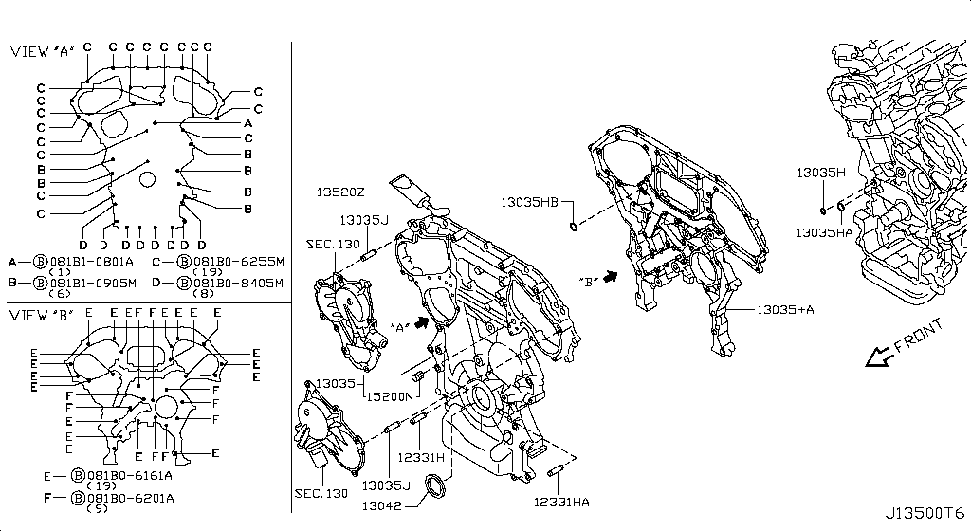 Specification: FRONT COVER; App. model: VR38DETT • [11.2013-11.2014]

Manifold
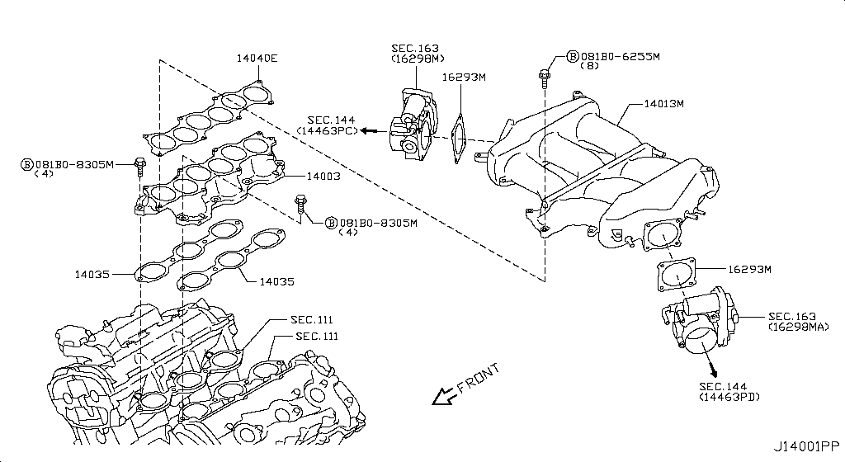 Specification: INTAKE PARTS; App. model: VR38DETT • [11.2013-11.2014]

Turbo Charger
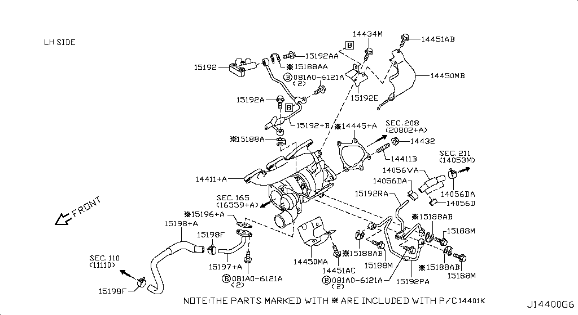 Specification: TURBO CHARGER(LH); App. model: VR38DETT • [11.2013-11.2014]
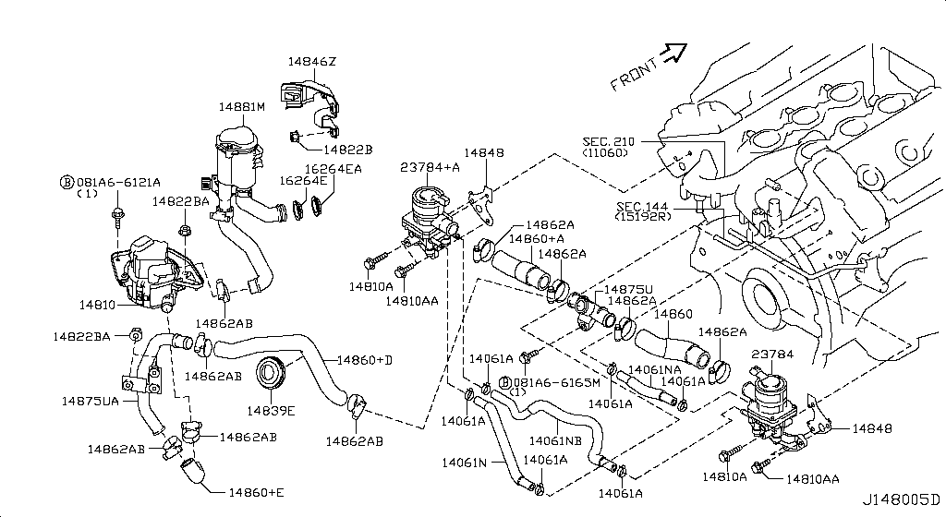
Secondary Air System
App. model: VR38DETT • [11.2013-11.2014]
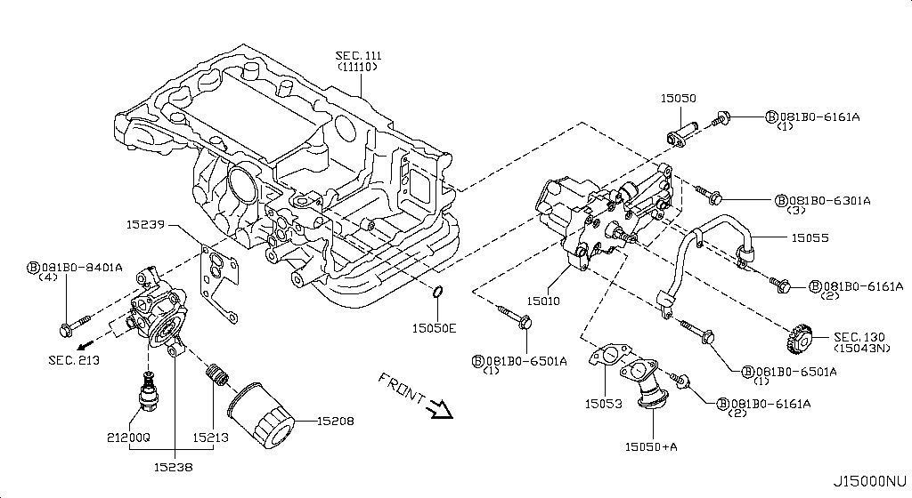
Lubricating System
App. model: VR38DETT • [11.2013-11.2014]
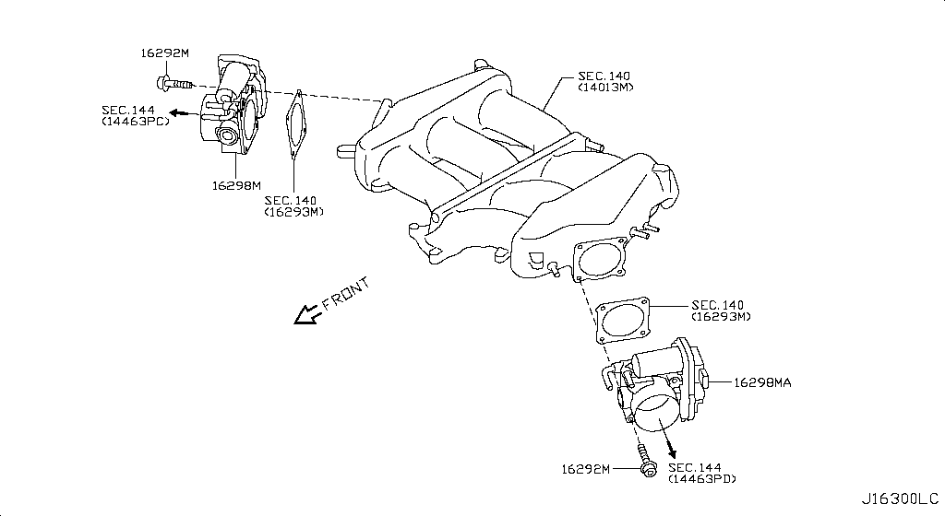
Throttle Chamber
App. model: VR38DETT • [11.2013-11.2014]
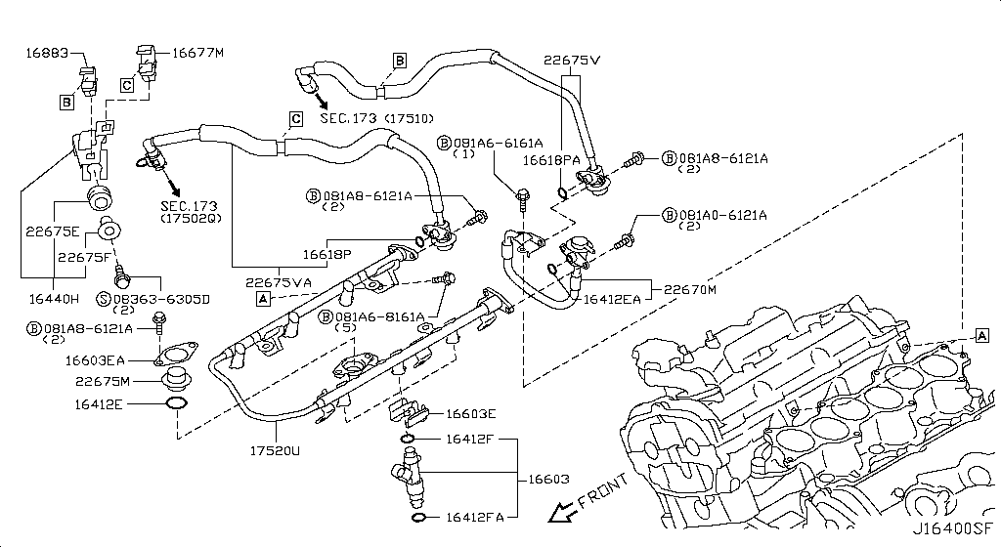
Fuel Strainer & Fuel Hose
App. model: VR38DETT • [11.2013-11.2014]
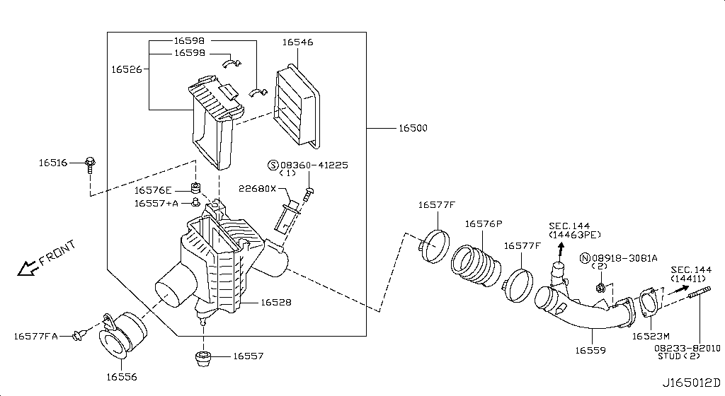
Air Cleaner
Specification: RH; App. model: VR38DETT • [11.2013-11.2014]
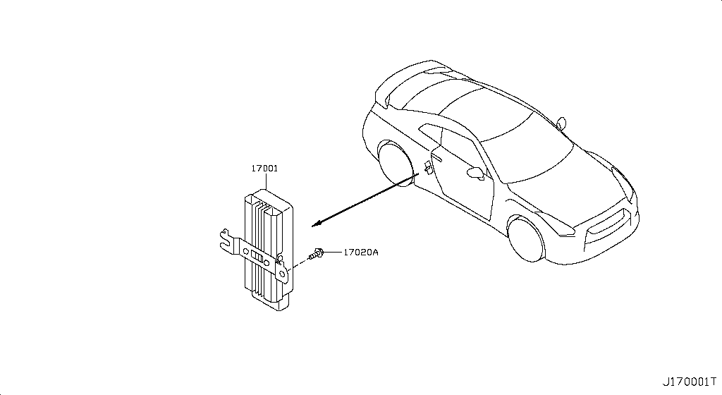
Fuel Pump
App. model: VR38DETT • [11.2013-11.2014]

Fuel Tank
App. model: VR38DETT • [11.2013-11.2014]

Fuel Piping
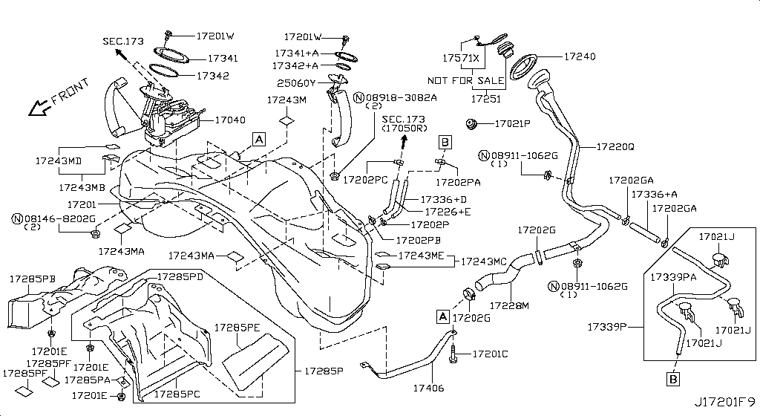 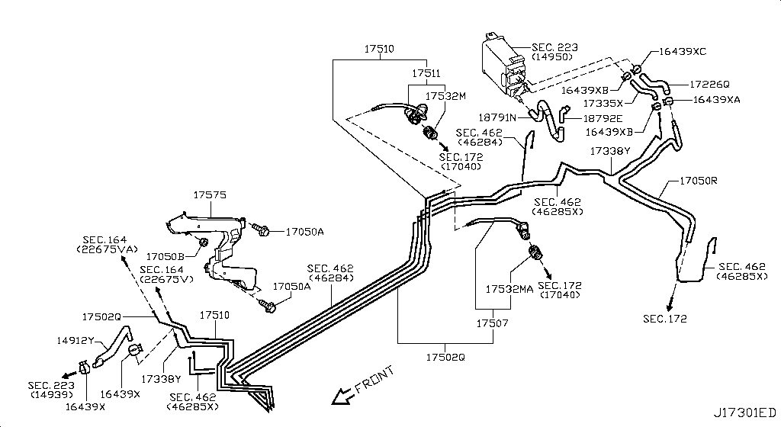 Specification: FUEL PIPING; App. model: VR38DETT • [11.2013-11.2014]
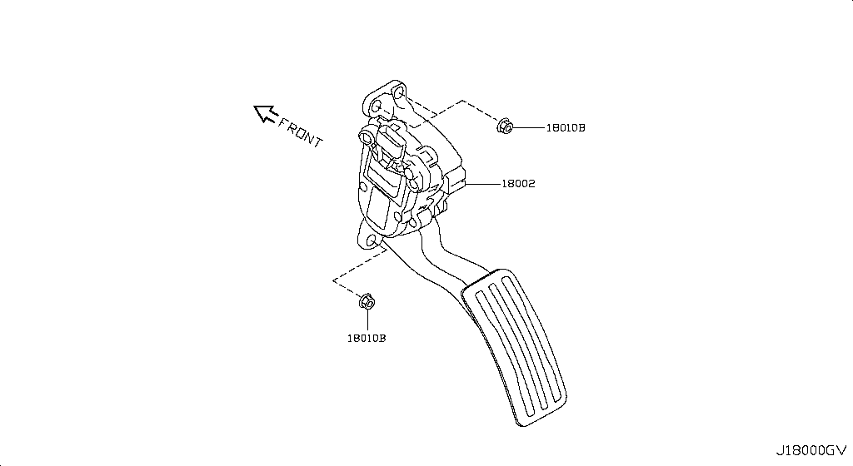
Accelerator Linkage
App. model: VR38DETT • [11.2013-11.2014]
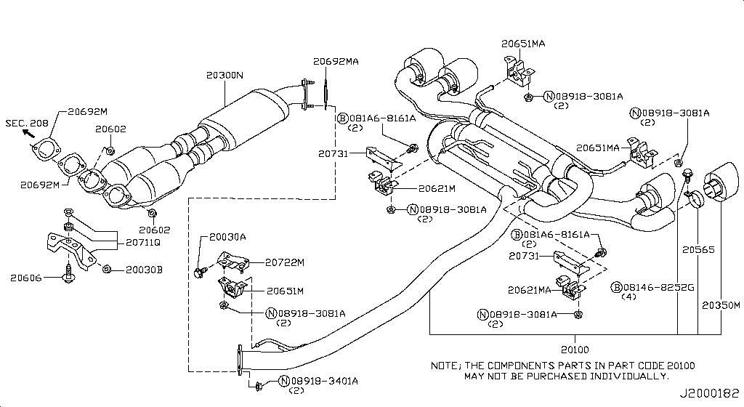
Exhaust Tube & Muffler
App. model: VR38DETT • [11.2013-11.2014]
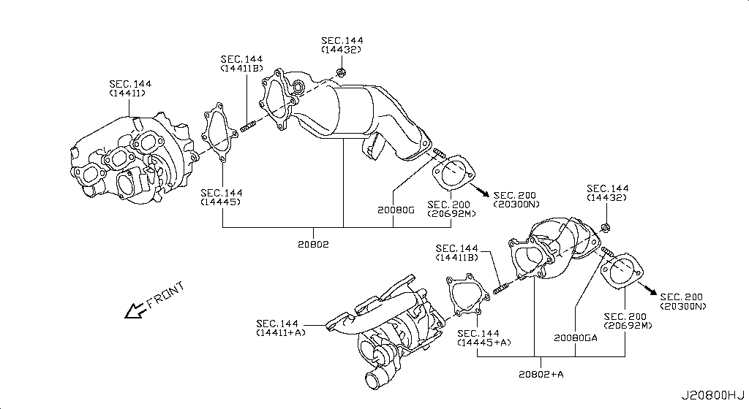
Catalyst Converter,Exhaust Fuel & Ure In
App. model: VR38DETT • [11.2013-11.2014]
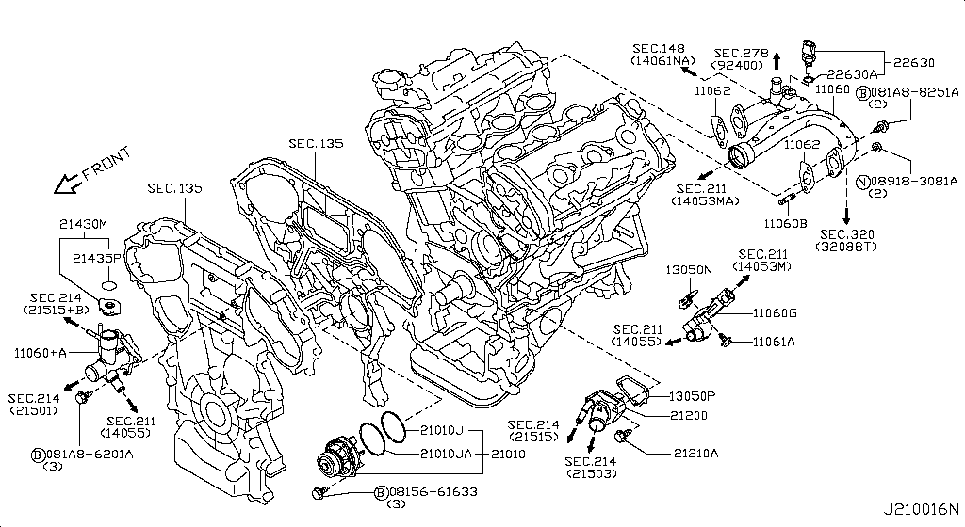
Water Pump, Cooling Fan & Thermostat
App. model: VR38DETT • [11.2013-11.2014]
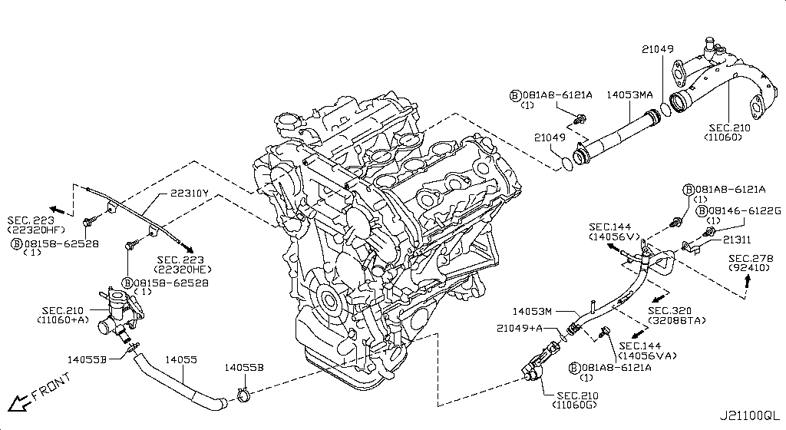
Water Hose & Piping
App. model: VR38DETT • [11.2013-11.2014]

Oil Cooler
App. model: VR38DETT • [11.2013-11.2014]

Radiator,Shroud & Inverter Cooling
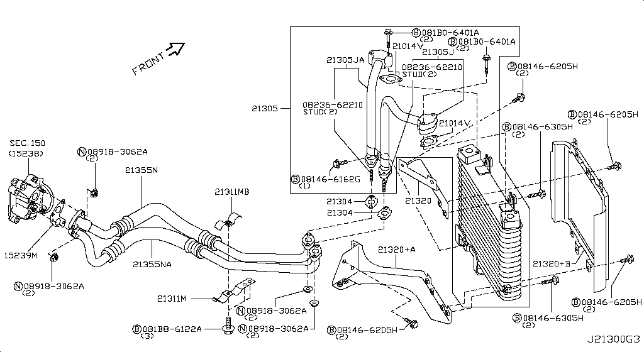 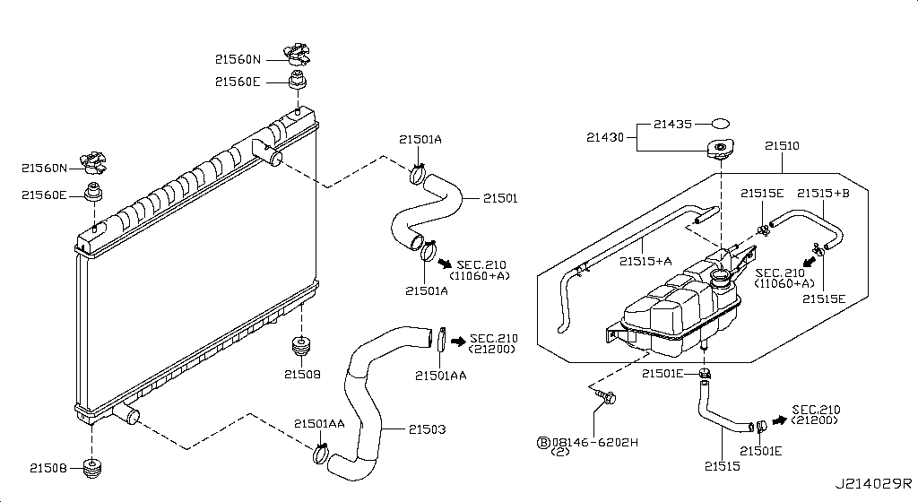 Specification: FITTING PARTS; App. model: VR38DETT • [11.2013-11.2014]
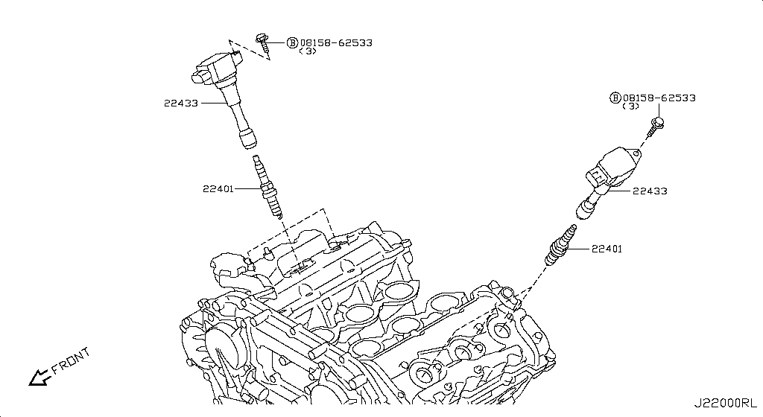
Ignition System
App. model: VR38DETT • [11.2013-11.2014]

Distributor & Ignition Timing Sensor
App. model: VR38DETT • [11.2013-11.2014]

Engine Control Vacuum Piping
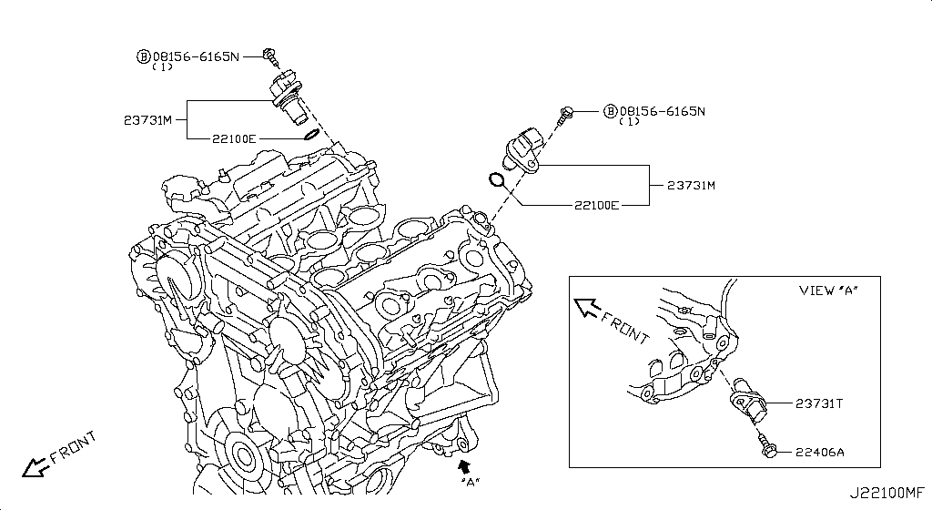 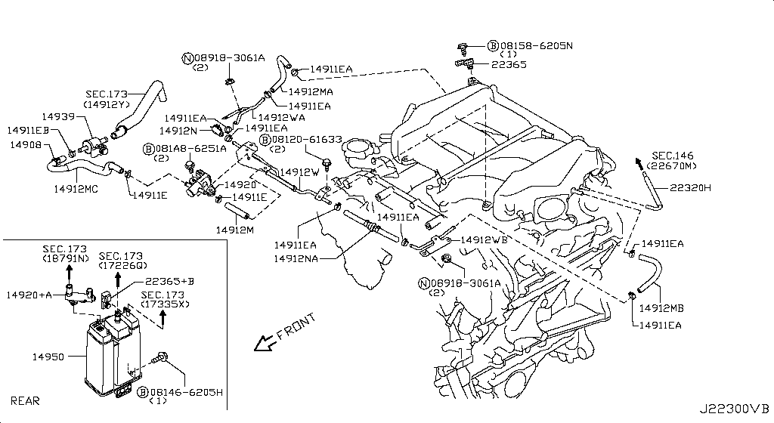 Specification: PIPING1&CANISTER; App. model: VR38DETT • [11.2013-11.2014]
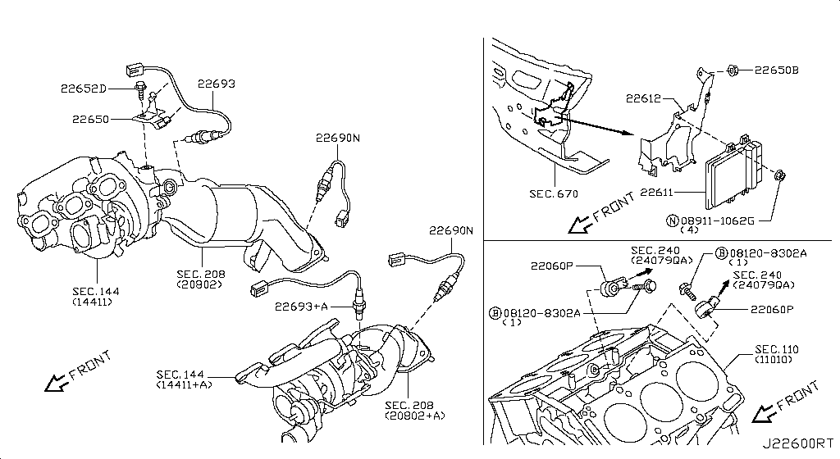
Engine Control Module
App. model: VR38DETT • [11.2013-11.2014]

Alternator Fitting
App. model: VR38DETT • [11.2013-11.2014]

Alternator
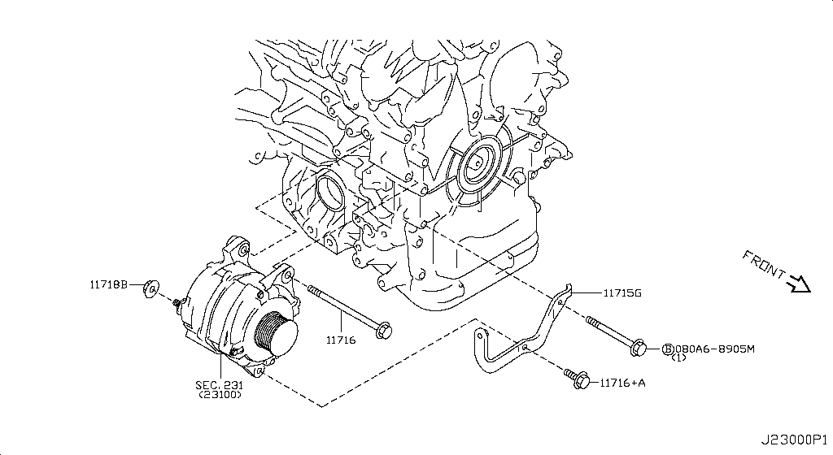 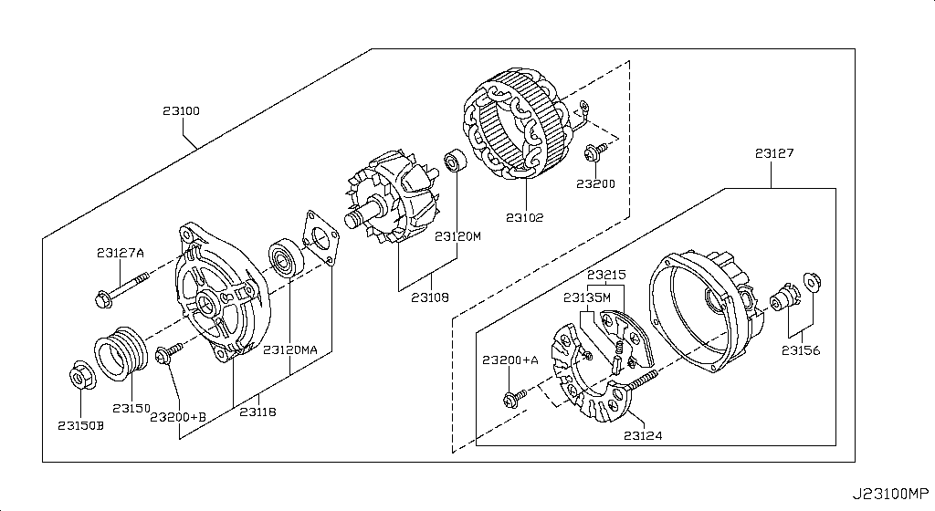 Specification: ALTERNATOR ASSY; App. model: VR38DETT • [11.2013-11.2014]

Starter Motor
App. model: VR38DETT • [11.2013-11.2014]

Wiring
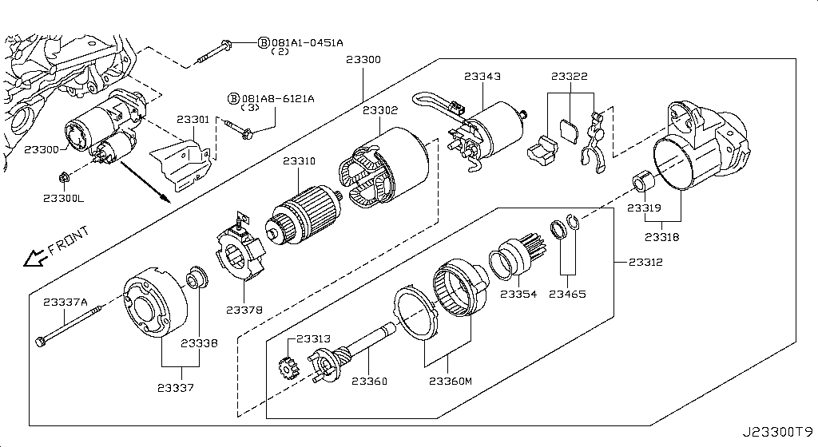 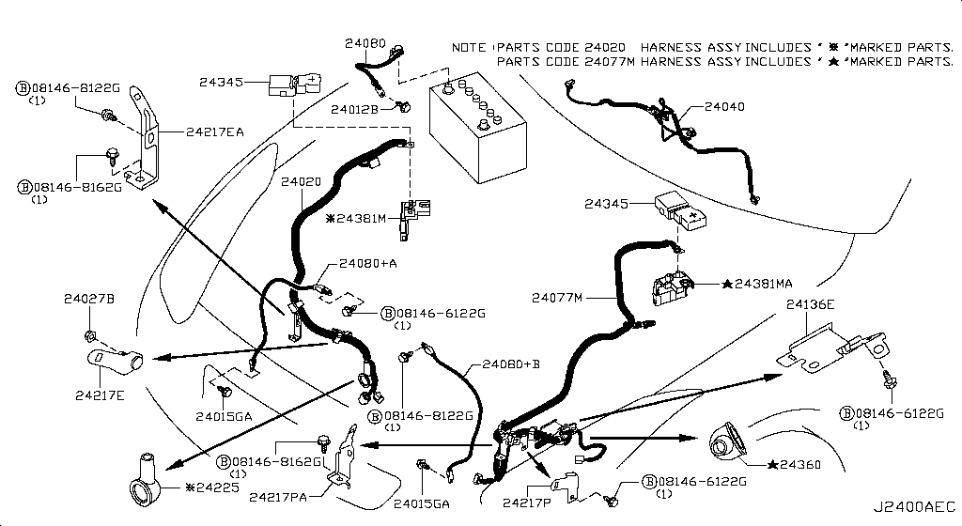 Specification: ALTNTR HARN; App. model: C • [11.2014-04.2016]

Battery & Battery Mounting
App. model: VR38DETT • [11.2013-11.2014]

Instrument Meter & Gauge
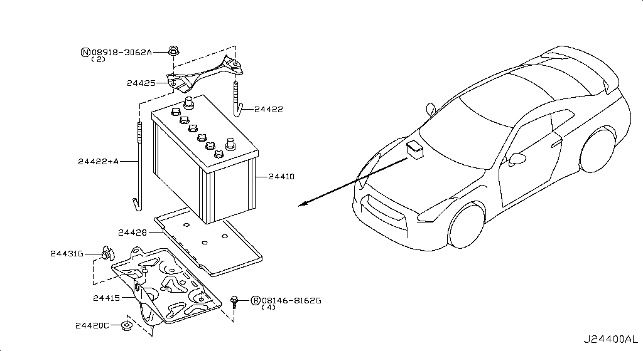 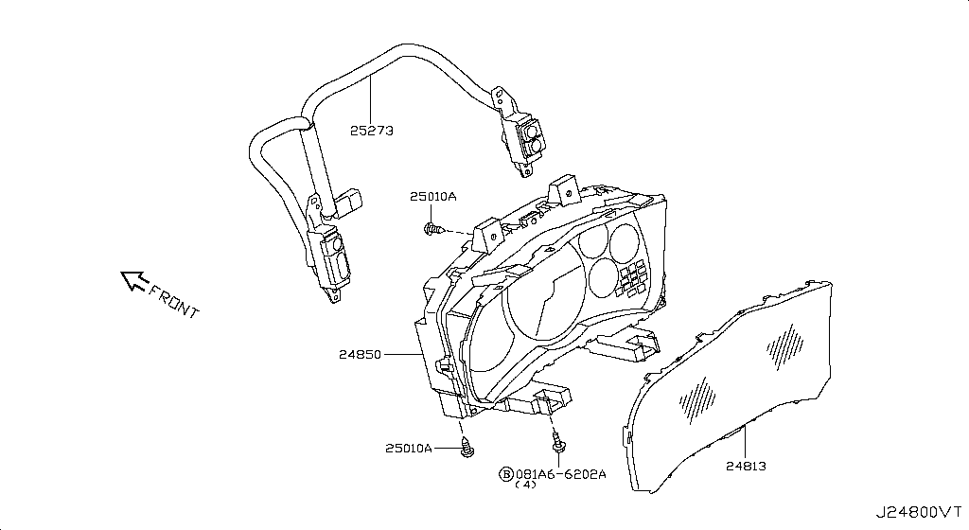 Specification: FRONT VIEW; App. model: C • [11.2013-11.2014]
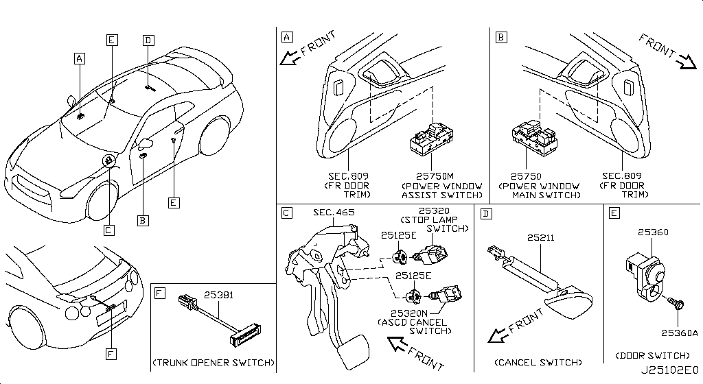
Switch
Specification: BODY; App. model: C • [11.2013-11.2014]

Relay
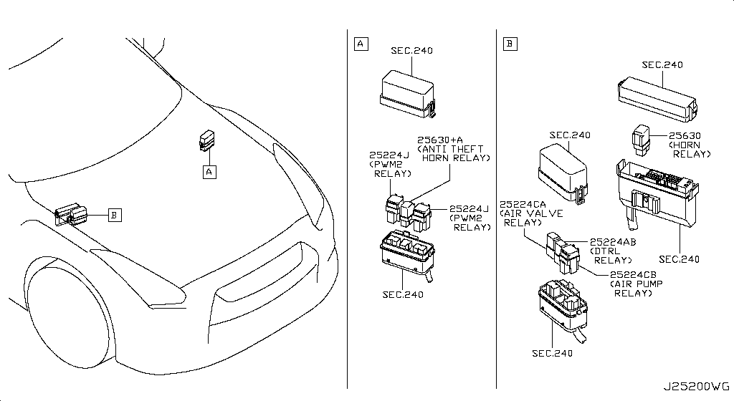 Specification: ENGINE ROOM; App. model: C • [11.2013-11.2014]

Electrical Unit
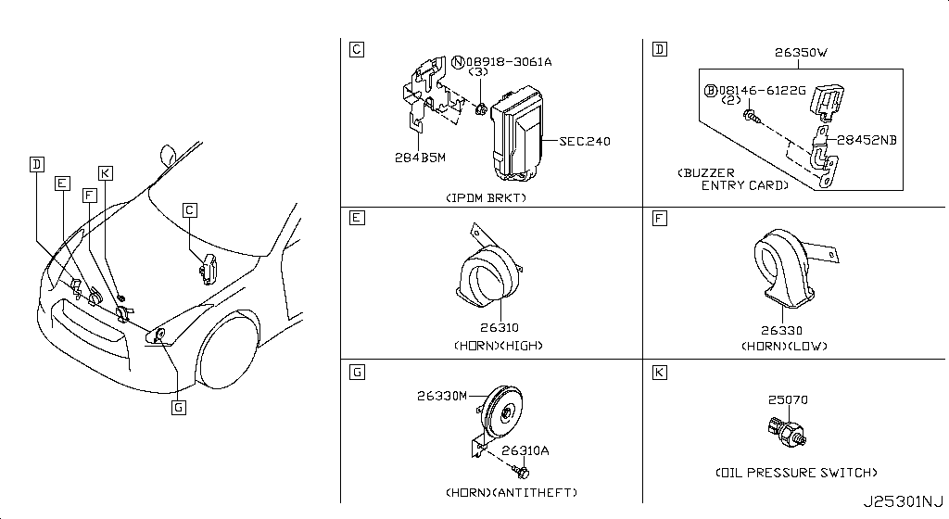 Specification: ENGINE ROOM; App. model: C • [11.2013-11.2014]
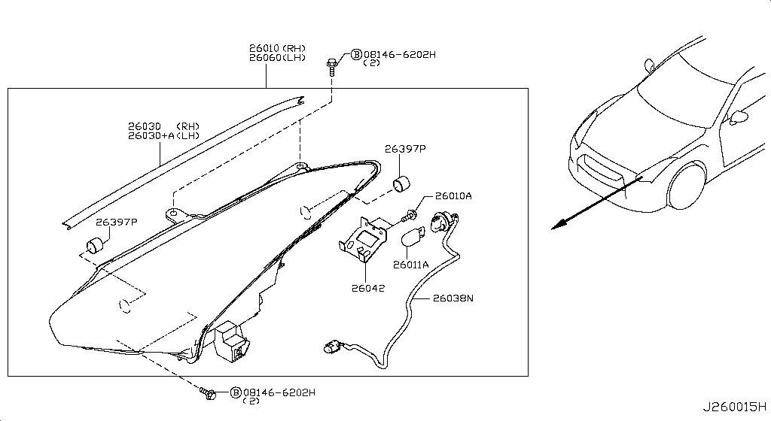
Headlamp
App. model: C • [11.2013-11.2014]
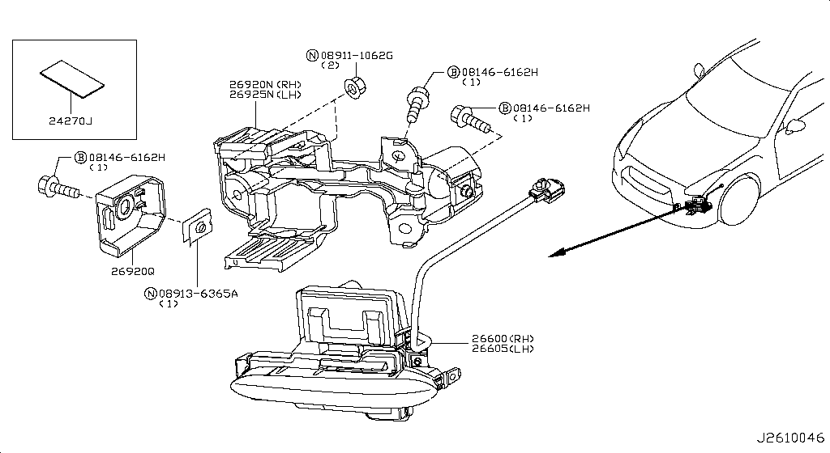
Front Combination Lamp
App. model: C • [11.2013-11.2014]
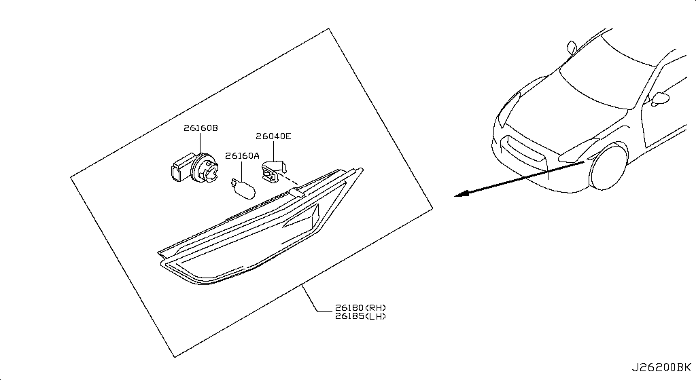
Side Marker Lamp
App. model: C • [11.2013-11.2014]
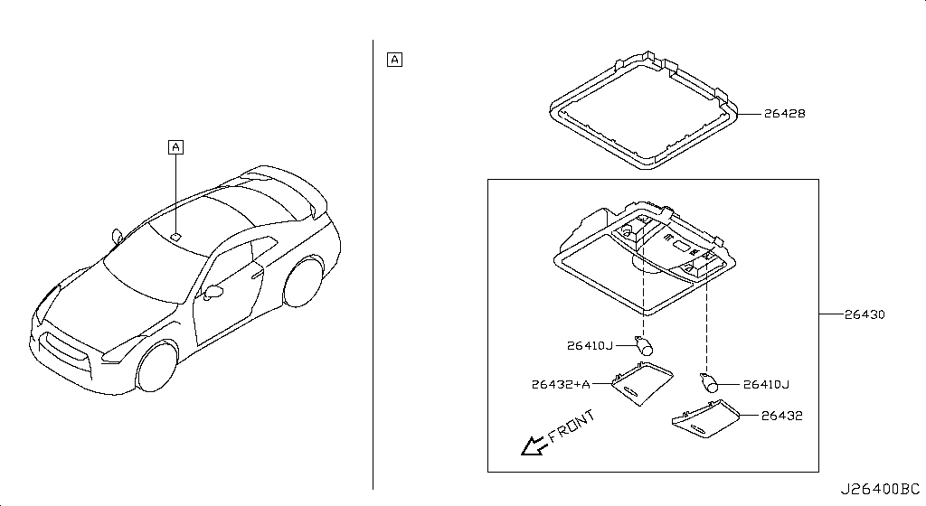
Room Lamp
App. model: C • [11.2013-11.2014]
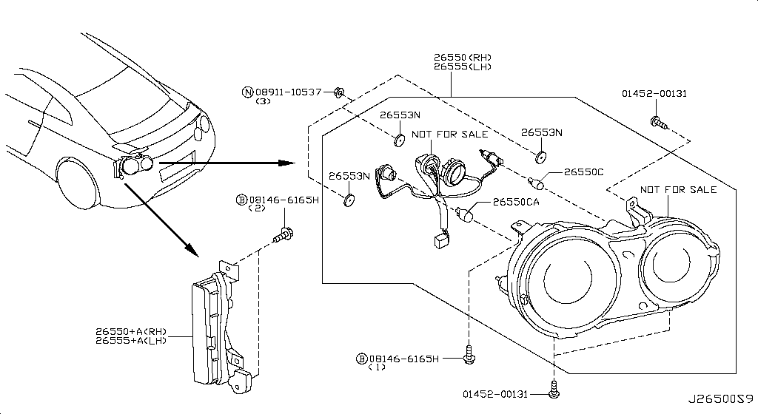
Rear Combination Lamp
App. model: C • [11.2013-11.2014]
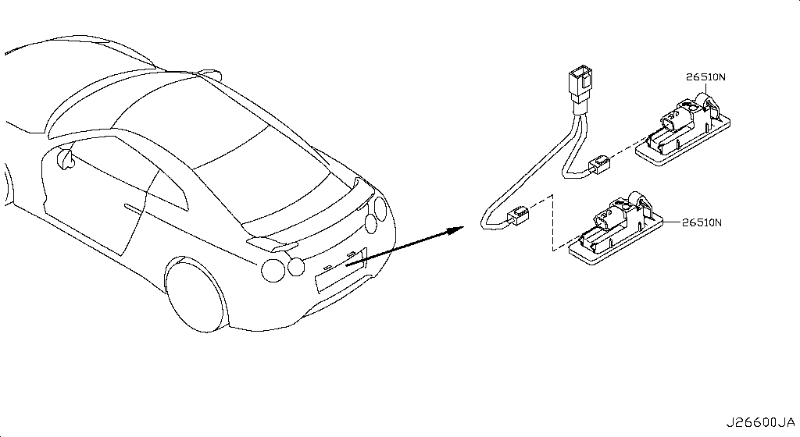
Licence Plate Lamp
Specification: LED; App. model: C • [07.2018-]
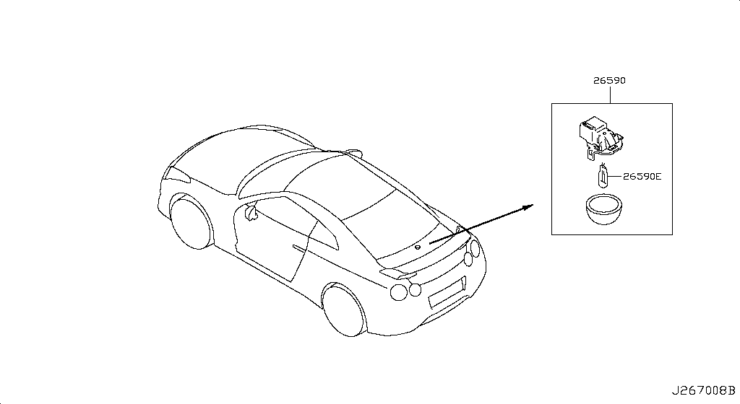
Lamps (Others)
App. model: C • [11.2013-11.2014]

High Mounting Stop Lamp
App. model: C • [11.2013-11.2014]

Heater & Blower Unit
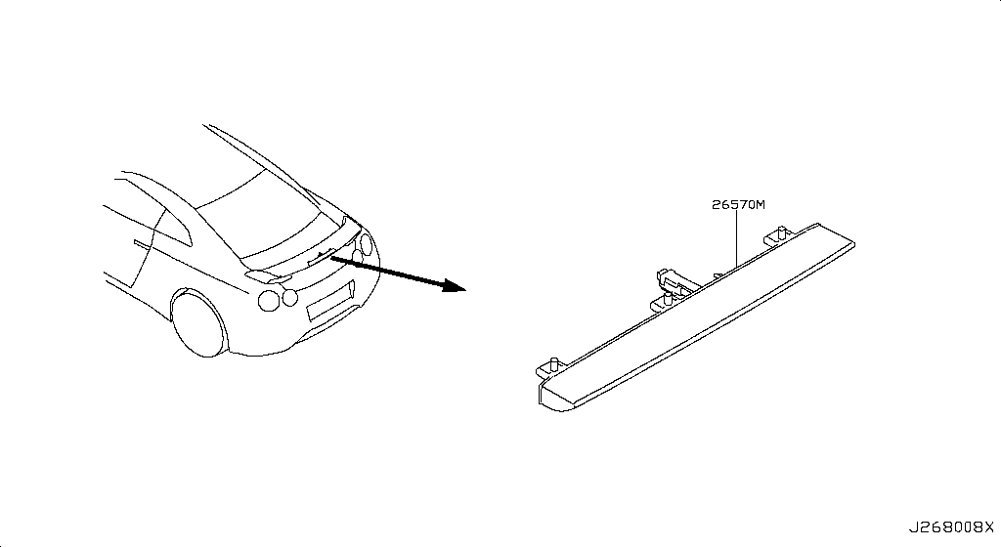 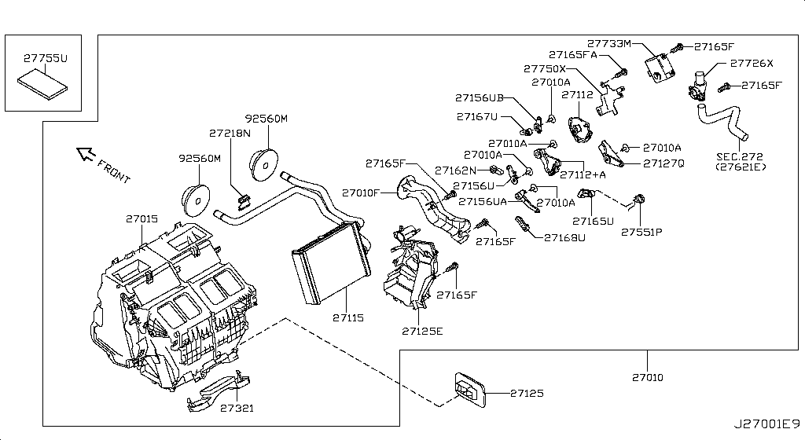 Specification: HEATER-FR (2); App. model: C • [11.2013-11.2014]
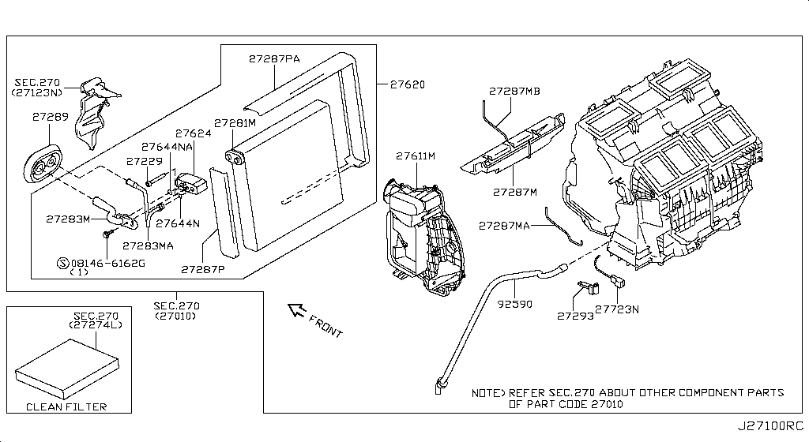
Cooling Unit
App. model: C • [11.2013-11.2014]

Control Unit
App. model: C • [11.2013-11.2014]

Nozzle & Duct
App. model: C • [11.2013-11.2014]

Compressor
App. model: C • [11.2013-11.2014]

Compressor Mounting & Fitting
App. model: VR38DETT • [11.2013-11.2014]

Condenser,Liquid Tank & Piping
App. model: C • [11.2013-11.2014]

Heater Piping
App. model: C • [11.2013-11.2014]

Audio & Visual
  Specification: DATA LOGGER FOR NISMO; App. model: C • [11.2014-04.2016]

Telephone
App. model: C • [04.2016-08.2017]

Speaker
App. model: C • [11.2014-04.2016]

Windshield Wiper
App. model: C • [11.2013-11.2014]

Windshield Washer
App. model: C • [11.2013-11.2014]

Manual Transmission, Transaxle & Fitting
  Specification: TCM & BRTHR; App. model: GR6 • [11.2013-11.2014]

Transmission Case & Clutch Release
App. model: GR6 • [11.2013-11.2014]

Transmission Shift Control
App. model: GR6 • [11.2013-11.2014]

Transfer Assembly & Fitting
App. model: VR38DETT • [11.2014-04.2016]

Transfer Case
App. model: VR38DETT • [11.2013-11.2014]

Transfer Gear
App. model: VR38DETT • [11.2013-11.2014]

Auto Transmission Control Device
App. model: VR38DETT • [11.2013-11.2014]

Transfer Control Parts
App. model: VR38DETT • [11.2013-11.2014]

Propeller Shaft
App. model: VR38DETT • [11.2013-11.2014]

Rear Final Drive
  Specification: BRTHR PIPING; App. model: VR38DETT • [11.2013-11.2014]

Front Final Drive
Specification: F/D; App. model: VR38DETT • [11.2013-11.2014]

Front Drive Shaft (Ff)
 Specification: RH SIDE; App. model: VR38DETT • [11.2013-11.2014]

Rear Drive Shaft
 Specification: RH SIDE; App. model: VR38DETT • [11.2013-11.2014]

Front Axle
App. model: VR38DETT • [11.2013-11.2014]

Front Suspension
  Specification: ABSORBER; App. model: VR38DETT • [11.2014-04.2016]

Rear Axle
App. model: VR38DETT • [11.2013-11.2014]

Rear Suspension
  Specification: MEMBER[NISMO]; App. model: VR38DETT.NISMO • [06.2014-11.2014]

Road Wheel & Tire
 Specification: 6SPOKE[NISMO]; App. model: C.NISMO • [06.2014-11.2014]

Front Brake
App. model: VR38DETT • [11.2013-11.2014]

Rear Brake
  Specification: PARKING BRAKE; App. model: VR38DETT • [11.2013-11.2014]

Parking Brake Control
App. model: VR38DETT • [11.2013-11.2014]

Brake Master Cylinder
App. model: VR38DETT • [11.2013-11.2014]

Brake Piping & Control
  Specification: FRONT PIPING; App. model: C • [11.2013-11.2014]

Brake & Clutch Pedal
App. model: VR38DETT • [11.2013-11.2014]

Brake Servo & Servo Control
App. model: VR38DETT • [11.2013-11.2014]

Anti Skid Control
App. model: C • [11.2013-11.2014]

Steering Gear Mounting
App. model: VR38DETT • [11.2013-11.2014]

Steering Wheel
App. model: C • [11.2013-11.2014]

Steering Column Shell Cover
App. model: C • [07.2018-]

Steering Column
App. model: VR38DETT • [11.2013-11.2014]

Power Steering Pump
App. model: VR38DETT • [11.2013-11.2014]

Power Steering Gear
App. model: VR38DETT • [11.2013-11.2014]

Power Steering Pump Mounting
App. model: C • [11.2013-11.2014]

Power Steering Piping
App. model: VR38DETT • [11.2013-11.2014]

Front Bumper
Specification: NISMO; App. model: C.NISMO • [07.2016-07.2018]

Front Apron & Radiator Core Support
App. model: C • [11.2013-11.2014]

Front Fender & Fitting
App. model: C • [11.2013-11.2014]

Hood Ledge & Fitting
Specification: PLUG; App. model: C • [11.2013-11.2014]

Hood Panel,Hinge & Fitting
App. model: C • [11.2013-11.2014]

Hood Lock Control
App. model: C • [11.2013-11.2014]

Cowl Top & Fitting
App. model: C • [11.2013-11.2014]

Dash Panel & Fitting
App. model: C • [11.2013-11.2014]

Dash Trimming & Fitting
App. model: C • [11.2013-11.2014]

Instrument Panel,Pad & Cluster Lid
  Specification: INST PAD & CLUSTER LID; App. model: C • [11.2013-11.2014]

Ventilator
App. model: C • [07.2016-08.2017]

Front Windshield
App. model: C • [11.2013-11.2014]

Roof Panel & Fitting
Specification: STD ROOF; App. model: C • [11.2013-11.2014]

Roof Trimming
App. model: C • [11.2013-11.2014]

Floor Panel
App. model: C • [11.2013-11.2014]

Floor Panel (Rear)
App. model: C • [11.2013-11.2014]

Floor Fitting
  Specification: FRONT NISMO; App. model: C • [06.2014-11.2014]

Floor Fitting
Specification: INSUL; App. model: C • [11.2013-11.2014]

Floor Trimming
App. model: C • [11.2013-11.2014]

Member & Fitting
App. model: C • [11.2013-11.2014]

Body Side Panel
Specification: FRONT; App. model: C • [11.2013-11.2014]

Body Side Moulding
App. model: C • [11.2013-11.2014]

Body Side Fitting
  Specification: PLUG&INSULATER; App. model: C • [11.2013-11.2014]

Body Side Trimming
App. model: C • [11.2013-11.2014]

Rear Fender & Fitting
App. model: C • [11.2013-11.2014]

Rear,Back Panel & Fitting
App. model: C • [11.2013-11.2014]

Rear Window
App. model: C • [11.2013-11.2014]

Rear & Back Panel Trimming
  Specification: NORMAL GRILLE; App. model: C • [11.2013-11.2014]

Front Door Panel & Fitting
App. model: C • [11.2013-11.2014]

Front Door Window & Regulator
App. model: C • [11.2013-11.2014]

Front Door Lock & Handle
App. model: C • [11.2013-11.2014]

Front Door Trimming
App. model: C • [08.2017-]

Side Window
App. model: C • [11.2013-11.2014]

Trunk Lid & Fitting
Specification: NOMAL; App. model: C • [11.2013-11.2014]

Trunk Opener
App. model: C • [11.2013-11.2014]

Trunk & Luggage Room Trimming
App. model: C • [11.2014-04.2016]

Rear Bumper
App. model: C.NISMO • [06.2014-07.2018]

Front Seat Belt
App. model: C • [11.2013-11.2014]

Rear Seat Belt
App. model: C • [11.2013-11.2014]

Front Seat
Specification: RH SEAT; App. model: C • [11.2013-11.2014]

Rear Seat
App. model: C • [11.2013-11.2014]

Air Spoiler
Specification: NISMO; App. model: C • [06.2014-11.2014]

Rear View Mirror
App. model: C • [11.2013-11.2014]

Sunvisor
App. model: C • [11.2013-11.2014]

Console Box
App. model: C • [11.2013-11.2014]

Emblem & Name Label
Specification: NISMO; App. model: C • [06.2014-11.2014]

Caution Plate & Label
App. model: C • [04.2016-08.2017]

Tool Kit & Maintenance Manual
App. model: C • [08.2017-]

Key Set & Blank Key

Sheet1
https://yoshiparts.com/
https://www.amayama.com/
https://www.nissanpartsdeal.com/

A0A01-JF00A | full gasket kit engine | A0A01-JF00A Gasket-Engine Nissan | YoshiParts
11145-JF00A | oil level sensor
12279-AD200 | rear crank seal
11110-38B0A | but need 2024 CRANKCASE
11040-JF00A | cylinder heads L
11090-JF00A | cylinder heads R
11340-JF00C | insulator mount trans rear x2
11320-JF00B | insulator mount trans front x2
11220-6AV0A | front mount left and right x2
11270-JF00C | engine mount REAR MIDDLE X1
32040-6AV0A | BELL HOUSING

Genuine Nissan R35 GT-R VR38DETT Engine Tensioner Idle Pulley + Belt Set | #VALUE! |  |  |  |  | FULL KIT PULLEY AND BELT

12111-JF00A | Applies: VR38DETT; Specification: STD=0 |  |  | 8.2017 |  | connecting rod bush
12111-JF01A | Applies: VR38DETT; Specification: STD=1 |  |  | 8.2017
12111-JF02A | Applies: VR38DETT; Specification: STD=2 |  |  | 8.2017
12111-JF03A | Applies: VR38DETT; Specification: STD=3 |  |  | 8.2017
12111-JF04A | Applies: VR38DETT; Specification: STD=4 |  |  | 8.2017
12117-JF00A | Applies: VR38DETT; Specification: US=0.25 |  |  | 8.2017

12208M - WASHER-THRUST
12280-JK20A | WASHER FOR BEARINGS

12309-JF00A | PULLEY BOLT for crankshaft
Bolt-Pulley
New Genuine

13021-JF00A | GEAR CRANK
Gear Crank
New Genuine

00926-51600 | KEY FOR CRANK
Key

12207-JF00A | Applies: VR38DETT; Specification: STD GRADE 0 |  |  | 08.2017 - ... |  | BEARING ALL SIZES

12207-JF00B | Applies: VR38DETT; Specification: STD GRADE 01 |  |  | 08.2017 - ...

12207-JF01A | Applies: VR38DETT; Specification: STD GRADE 1 |  |  | 08.2017 - ...

12207-JF01B | Applies: VR38DETT; Specification: STD GRADE 12 |  |  | 08.2017 - ...

12207-JF02A | Applies: VR38DETT; Specification: STD GRADE 2 |  |  | 08.2017 - ...

12207-JF02B | Applies: VR38DETT; Specification: STD GRADE 23 |  |  | 08.2017 - ...

12207-JF03A | Applies: VR38DETT; Specification: STD GRADE 3 |  |  | 08.2017 - ...

12207-JF03B | Applies: VR38DETT; Specification: STD GRADE 34 |  |  | 08.2017 - ...

12207-JF04A | Applies: VR38DETT; Specification: STD GRADE 4 |  |  | 08.2017 - ...

12207-JF04B | Applies: VR38DETT; Specification: STD GRADE 45 |  |  | 08.2017 - ...

12207-JF05A | Applies: VR38DETT; Specification: STD GRADE 5 |  |  | 08.2017 - ...

12207-JF05B | Applies: VR38DETT; Specification: STD GRADE 56 |  |  | 08.2017 - ...

12207-JF06A | Applies: VR38DETT; Specification: STD GRADE 6 |  |  | 08.2017 - ...

12207-JF06B | Applies: VR38DETT; Specification: STD GRADE 67 |  |  | 08.2017 - ...

12207-JF07A | Applies: VR38DETT; Specification: STD GRADE 7 |  |  | 08.2017 - ...

23796+A - SOLENOID VALVE ASSY-VALVE TIMING CONTROL
23796-AU00D

23796 - SOLENOID VALVE ASSY-VALVE TIMING CONTROL
23796-JK24B | Applies: VR38DETT; Specification: RH |  |  | 04.2016 - 08.2017 | 1

13510-31U10 | FRONT CRANK SEAL
Seal-Oil,Cranks

13500-JF01A | FRONT COVER SECOND PART ON CAM
Cover Assy-Fron

13035 - COVER ASSY-FRONT,TIMING CHAIN |  |  |  |  |  | FRONT COVER ATTACH VVTI
13500-80B0A

OIL PUMP ASSEMBLY
Genuine Nissan (15010JF00B)

13270+A - GASKET-ROCKER COVER
13270-JF01A

13270 - GASKET-ROCKER COVER
13270-JF00A

ENGINE OIL PAN ASSEMBLY 2024

OIL FILTER ADAPTER 2024

OIL COOLER KIT PIPE

17040 - FUEL PUMP-IN TANK |  |  |  |  |  | FUEL HANGER
17040-89S0A

17342 - SEAL-O RING,FUEL GAUGE |  |  |  |  |  | HANGER O RING
17342-CE800

17201 - TANK ASSY-FUEL |  |  |  |  |  | FUEL TANL
17202-80B1A

 |  |  |  |  |  | WATER PUMP
21010 - PUMP ASSY-WATER
B1010-JK20A

21200 - THERMOSTAT ASSY |  |  |  |  |  |  |  | BEST OPTION FOR COOLING THEN DODSON
21200-JF01A | Applies: VR38DETT |  |  | 03.2008 - 12.2010 | 1 | 366.35

21200-KB50A | Applies: VR38DETT |  |  | 08.2017 - ... | 1 | 368.31

21200-KB50A

11060 - OUTLET-WATER
11060-62B1A

14053MA - PIPE-WATER |  |  |  |  |  | WATER PIPE UNDER INTAKE
21021-JF00A

21305JA - ELEMENT-OIL COOLER |  |  |  |  |  | PIPES ON OIL COOLER HARD LINE
21355-JF01A

21493N - FAN CONTROL MODULE |  |  |  |  |  | MODULE
21493-4GA0A

21591 - MOTOR ASSY-FAN |  |  |  |  |  | 2024 FAN MOTOR
21487-JF01B

21591+A - MOTOR ASSY-FAN
21487-JF00B

COIL ASSEMBLY, IGNITION
Genuine Nissan (22448JF00B)

23731M - CAMSHAFT POSITION SENSOR

23731-JA11B

23731T - CRANKSHAFT POSITION SENSOR

23731-JA10C | Applies: VR38DETT |  |  | 08.2017 - ... | 1 | 191.56

23731-JA10C

22693+A - AIR FUEL RATIO SENSOR
22693-JF00B

22693 - AIR FUEL RATIO SENSOR
22693-JF00A

22060P - KNOCK SENSOR
22060-JK20A

24080 - CABLE ASSY-BATTERY EARTH |  |  |  |  |  |  | GROUND CABLE BATTERY
24080-JF10A | Applies: C |  |  | 03.2008 - 12.2010 | 1 | 109.71

24080-KB10A

24381M - HOLDER-FUSIBLE LINK
24380-79915

284B7 - CONTROLLER UNIT-IPDM ENGINE ROOM |  |  |  |  |  |  | IPDM NEAR BATTERY
284B7-62B6A | Applies: C |  |  | 08.2017 - ... | 1 | 1,267.31

284B7-62B6A | Applies: C |  |  | 11.2013 - 11.2014 | 1 | 1,267.31

284B7-62B6A | Applies: C |  |  | 04.2016 - 08.2017 | 1 | 1,267.31

284B7-62B6A | Applies: C |  |  | 11.2014 - 04.2016 | 1 | 1,267.31

284B7-JF01A

24078 - HARNESS-EGI |  |  |  |  |  |  | ENGINE HARNESS
24011-6AW0A | Applies: C |  |  | 08.2017 - 07.2018 | 1 | 1,590.19

24011-6AW0A | Applies: C.(PURE+BLACK+PREMIUM) |  |  | 04.2016 - 07.2016 | 1 | 1,590.19

24011-6AW0A | Applies: C |  |  | 07.2016 - 08.2017 | 1 | 1,590.19

24011-6HS0A | Applies: C |  |  | 07.2018 - ... | 1 | Out of stock

24011-JF10A | Applies: C |  |  | 03.2008 - 12.2010 | 1 | Out of stock

24011-KB10A | Applies: C.(TRACK+NISMO) |  |  | 04.2016 - 07.2016 | 1 | Out of stock

24011-KB10A | Applies: C |  |  | 11.2013 - 11.2014 | 1 | Out of stock

24011-KB10A | Applies: C |  |  | 11.2014 - 04.2016 | 1 | Out of stock

24011-KB10A

24350P - BLOCK ASSY-JUNCTION |  |  |  |  |  |  | IN CAR FUSE BOX
24350-JF00A | Applies: C |  |  | 03.2008 - 10.2009 | 1 | 352.48

24350-JW90A | Applies: C |  |  | 10.2009 - 12.2010 | 1 | 178.66

24350-KB50A | Applies: C |  |  | 12.2010 - 07.2012 | 1 | 178.66

24350-KB51A | Applies: C |  |  | 08.2017 - ... | 1 | 178.66

24350-KB51A | Applies: C |  |  | 11.2013 - 11.2014 | 1 | 178.66

24350-KB51A | Applies: C |  |  | 04.2016 - 08.2017 | 1 | 178.66

24350-KB51A | Applies: C |  |  | 11.2014 - 04.2016 | 1 | 178.66

24350-KB51A

24014 - HARNESS-BODY |  |  |  |  |  |  | TCM HARNESS
24014-38B1A | Applies: C.PURE |  |  | 11.2012 - 11.2013 | 1 | Out of stock

24014-38B1B | Applies: *C.PURE |  |  | 11.2012 - 11.2013 | 1 | Out of stock
 | SpecCode: [SPKRB] BOSE AUDIO
24014-62B3A | Applies: C.PURE |  |  | 11.2013 - 11.2014 | 1 | Out of stock

24014-62B3B | Applies: C.TRACK |  |  | 04.2016 - 07.2016 | 1 | Out of stock

24014-62B3B | Applies: *C.PURE |  |  | 11.2013 - 11.2014 | 1 | Out of stock
 | SpecCode: [SPKRB] BOSE AUDIO
24014-62B3B | Applies: C.(TRACK+BLACK+PREMIUM+NISMOPKG) |  |  | 11.2014 - 04.2016 | 1 | Out of stock

24014-6AW0A | Applies: C.PURE |  |  | 04.2016 - 08.2017 | 1 | Out of stock

24014-6AW0B | Applies: C.(TRACK+BLACK+PREMIUM) |  |  | 07.2016 - 08.2017 | 1 | Out of stock

24014-6HR0D | Applies: C.PURE |  |  | 08.2017 - ... | 1 | Out of stock

24014-6HR0E | Applies: C.(TRACK+PREMIUM) |  |  | 08.2017 - 07.2018 | 1 | Out of stock

24014-6HS0E | Applies: C.(TRACK+PREMIUM) |  |  | 07.2018 - ... | 1 | Out of stock

24014-JF10A | Applies: C |  |  | 03.2008 - 12.2010 | 1 | Out of stock

24014-JF10B | Applies: *C |  |  | 03.2008 - 12.2010 | 1 | Out of stock
 | SpecCode: [ABAGS] SIDE AND CURTAIN AIRBAG
24014-JF10B | Applies: *C |  |  | 03.2008 - 12.2010 | 1 | Out of stock
 | SpecCode: [ABAGS] SIDE AND CURTAIN AIRBAG; [STDVM] F/SEAT HEATER
24014-JF10B | Applies: *C |  |  | 03.2008 - 12.2010 | 1 | Out of stock
 | SpecCode: [STDVM] F/SEAT HEATER
24014-JF10C | Applies: *C |  |  | 03.2008 - 12.2010 | 1 | Out of stock
 | SpecCode: [ABAGS] SIDE AND CURTAIN AIRBAG; [SPKRB] BOSE AUDIO
24014-JF10C | Applies: *C |  |  | 03.2008 - 12.2010 | 1 | Out of stock
 | SpecCode: [ABAGS] SIDE AND CURTAIN AIRBAG; [SPKRB] BOSE AUDIO; [STDVM] F/SEAT HEATER
24014-JF10C | Applies: *C |  |  | 03.2008 - 12.2010 | 1 | Out of stock
 | SpecCode: [SPKRB] BOSE AUDIO
24014-JF10C | Applies: *C |  |  | 03.2008 - 12.2010 | 1 | Out of stock
 | SpecCode: [SPKRB] BOSE AUDIO; [STDVM] F/SEAT HEATER
24014-JF81A | Applies: *C |  |  | 03.2008 - 12.2008 | 1 | Out of stock
 | SpecCode: [ABAGS] SIDE AND CURTAIN AIRBAG; [REGFY] FOR KOREA
24014-JF81A | Applies: *C |  |  | 04.2009 - 12.2010 | 1 | Out of stock
 | SpecCode: [ABAGS] SIDE AND CURTAIN AIRBAG; [REGFY] FOR KOREA
24014-JF81A | Applies: *C |  |  | 03.2008 - 12.2008 | 1 | Out of stock
 | SpecCode: [ABAGS] SIDE AND CURTAIN AIRBAG; [REGFY] FOR KOREA; [STDVM] F/SEAT HEATER
24014-JF81A | Applies: *C |  |  | 12.2009 - 12.2010 | 1 | Out of stock
 | SpecCode: [ABAGS] SIDE AND CURTAIN AIRBAG; [REGFY] FOR KOREA; [STDVM] F/SEAT HEATER
24014-JF81A | Applies: *C |  |  | 04.2009 - 12.2009 | 1 | Out of stock
 | SpecCode: [ABAGS] SIDE AND CURTAIN AIRBAG; [STDVM] F/SEAT HEATER; [REGFY] FOR KOREA
24014-JF81A | Applies: *C |  |  | 03.2008 - 12.2008 | 1 | Out of stock
 | SpecCode: [REGFY] FOR KOREA
24014-JF81A | Applies: *C |  |  | 04.2009 - 12.2010 | 1 | Out of stock
 | SpecCode: [REGFY] FOR KOREA
24014-JF81A | Applies: *C |  |  | 03.2008 - 12.2008 | 1 | Out of stock
 | SpecCode: [REGFY] FOR KOREA; [STDVM] F/SEAT HEATER
24014-JF81A | Applies: *C |  |  | 12.2009 - 12.2010 | 1 | Out of stock
 | SpecCode: [REGFY] FOR KOREA; [STDVM] F/SEAT HEATER
24014-JF81A | Applies: *C |  |  | 04.2009 - 12.2009 | 1 | Out of stock
 | SpecCode: [STDVM] F/SEAT HEATER; [REGFY] FOR KOREA
24014-JF81B | Applies: *C |  |  | 03.2008 - 12.2008 | 1 | Out of stock
 | SpecCode: [ABAGS] SIDE AND CURTAIN AIRBAG; [REGFY] FOR KOREA; [SPKRB] BOSE AUDIO
24014-JF81B | Applies: *C |  |  | 12.2009 - 12.2010 | 1 | Out of stock
 | SpecCode: [ABAGS] SIDE AND CURTAIN AIRBAG; [REGFY] FOR KOREA; [SPKRB] BOSE AUDIO
24014-JF81B | Applies: *C |  |  | 03.2008 - 12.2008 | 1 | Out of stock
 | SpecCode: [ABAGS] SIDE AND CURTAIN AIRBAG; [REGFY] FOR KOREA; [SPKRB] BOSE AUDIO; [STDVM] F/SEAT HEATER
24014-JF81B | Applies: *C |  |  | 12.2009 - 12.2010 | 1 | Out of stock
 | SpecCode: [ABAGS] SIDE AND CURTAIN AIRBAG; [REGFY] FOR KOREA; [SPKRB] BOSE AUDIO; [STDVM] F/SEAT HEATER
24014-JF81B | Applies: *C |  |  | 03.2008 - 12.2008 | 1 | Out of stock
 | SpecCode: [REGFY] FOR KOREA; [SPKRB] BOSE AUDIO
24014-JF81B | Applies: *C |  |  | 12.2009 - 12.2010 | 1 | Out of stock
 | SpecCode: [REGFY] FOR KOREA; [SPKRB] BOSE AUDIO
24014-JF81B | Applies: *C |  |  | 03.2008 - 12.2008 | 1 | Out of stock
 | SpecCode: [REGFY] FOR KOREA; [SPKRB] BOSE AUDIO; [STDVM] F/SEAT HEATER
24014-JF81B | Applies: *C |  |  | 12.2009 - 12.2010 | 1 | Out of stock
 | SpecCode: [REGFY] FOR KOREA; [SPKRB] BOSE AUDIO; [STDVM] F/SEAT HEATER
24014-JF81B | Applies: *C |  |  | 04.2009 - 12.2009 | 1 | Out of stock
 | SpecCode: [SPKRB] BOSE AUDIO; [ABAGS] SIDE AND CURTAIN AIRBAG; [REGFY] FOR KOREA
24014-JF81B | Applies: *C |  |  | 04.2009 - 12.2009 | 1 | Out of stock
 | SpecCode: [SPKRB] BOSE AUDIO; [ABAGS] SIDE AND CURTAIN AIRBAG; [STDVM] F/SEAT HEATER; [REGFY] FOR KOREA
24014-JF81B | Applies: *C |  |  | 04.2009 - 12.2009 | 1 | Out of stock
 | SpecCode: [SPKRB] BOSE AUDIO; [REGFY] FOR KOREA
24014-JF81B | Applies: *C |  |  | 04.2009 - 12.2009 | 1 | Out of stock
 | SpecCode: [SPKRB] BOSE AUDIO; [STDVM] F/SEAT HEATER; [REGFY] FOR KOREA
24014-KB10A | Applies: C.PURE |  |  | 12.2010 - 11.2011 | 1 | Out of stock

24014-KB12B | Applies: *C.PURE |  |  | 12.2010 - 11.2011 | 1 | Out of stock
 | SpecCode: [SPKRB] BOSE AUDIO
24014-KJ11A | Applies: C.PURE |  |  | 11.2011 - 11.2012 | 1 | Out of stock

24014-KJ11B | Applies: *C.PURE |  |  | 11.2011 - 11.2012 | 1
 | SpecCode: [SPKRB] BOSE AUDIO

24017M - HARNESS-SUB,BODY |  |  |  |  |  |  | AWD HARNESS
24017-38B1A | Applies: C |  |  | 11.2012 - 11.2013 | 1 | Out of stock

24017-62B3A | Applies: C.(TRACK+NISMO) |  |  | 04.2016 - 07.2016 | 1 | Out of stock

24017-62B3A | Applies: C |  |  | 11.2013 - 11.2014 | 1 | Out of stock

24017-62B3A | Applies: C |  |  | 11.2014 - 04.2016 | 1 | Out of stock

24017-6AW0A | Applies: C.(PURE+BLACK+PREMIUM) |  |  | 04.2016 - 07.2016 | 1 | Out of stock

24017-6AW0A | Applies: C |  |  | 07.2016 - 08.2017 | 1 | Out of stock

24017-6HR0A | Applies: C |  |  | 08.2017 - ... | 1 | Out of stock

24017-JF10A | Applies: C |  |  | 03.2008 - 12.2010 | 1 | Out of stock

24017-JF10B | Applies: *C |  |  | 03.2008 - 12.2010 | 1 | Out of stock
 | SpecCode: [ABAGS] SIDE AND CURTAIN AIRBAG
24017-JF10B | Applies: *C |  |  | 03.2008 - 12.2009 | 1 | Out of stock
 | SpecCode: [ABAGS] SIDE AND CURTAIN AIRBAG; [SPKRB] BOSE AUDIO
24017-JF10B | Applies: *C |  |  | 03.2008 - 12.2009 | 1 | Out of stock
 | SpecCode: [ABAGS] SIDE AND CURTAIN AIRBAG; [SPKRB] BOSE AUDIO; [STDVM] F/SEAT HEATER
24017-JF10B | Applies: *C |  |  | 03.2008 - 12.2010 | 1 | Out of stock
 | SpecCode: [ABAGS] SIDE AND CURTAIN AIRBAG; [STDVM] F/SEAT HEATER
24017-JF10B | Applies: *C |  |  | 03.2008 - 12.2009 | 1 | Out of stock
 | SpecCode: [SPKRB] BOSE AUDIO; [STDVM] F/SEAT HEATER
24017-JF10B | Applies: *C |  |  | 03.2008 - 12.2010 | 1 | Out of stock
 | SpecCode: [STDVM] F/SEAT HEATER
24017-JF81A | Applies: *C |  |  | 03.2008 - 12.2008 | 1 | 2,203.67
 | SpecCode: [ABAGS] SIDE AND CURTAIN AIRBAG; [REGFY] FOR KOREA
24017-JF81A | Applies: *C |  |  | 04.2009 - 12.2010 | 1 | 2,203.67
 | SpecCode: [ABAGS] SIDE AND CURTAIN AIRBAG; [REGFY] FOR KOREA
24017-JF81A | Applies: *C |  |  | 03.2008 - 12.2008 | 1 | 2,203.67
 | SpecCode: [ABAGS] SIDE AND CURTAIN AIRBAG; [REGFY] FOR KOREA; [STDVM] F/SEAT HEATER
24017-JF81A | Applies: *C |  |  | 12.2009 - 12.2010 | 1 | 2,203.67
 | SpecCode: [ABAGS] SIDE AND CURTAIN AIRBAG; [REGFY] FOR KOREA; [STDVM] F/SEAT HEATER
24017-JF81A | Applies: *C |  |  | 04.2009 - 12.2009 | 1 | 2,203.67
 | SpecCode: [ABAGS] SIDE AND CURTAIN AIRBAG; [STDVM] F/SEAT HEATER; [REGFY] FOR KOREA
24017-JF81A | Applies: *C |  |  | 03.2008 - 12.2008 | 1 | 2,203.67
 | SpecCode: [REGFY] FOR KOREA
24017-JF81A | Applies: *C |  |  | 04.2009 - 12.2010 | 1 | 2,203.67
 | SpecCode: [REGFY] FOR KOREA
24017-JF81A | Applies: *C |  |  | 03.2008 - 12.2008 | 1 | 2,203.67
 | SpecCode: [REGFY] FOR KOREA; [STDVM] F/SEAT HEATER
24017-JF81A | Applies: *C |  |  | 12.2009 - 12.2010 | 1 | 2,203.67
 | SpecCode: [REGFY] FOR KOREA; [STDVM] F/SEAT HEATER
24017-JF81A | Applies: *C |  |  | 04.2009 - 12.2009 | 1 | 2,203.67
 | SpecCode: [STDVM] F/SEAT HEATER; [REGFY] FOR KOREA
24017-KB10A | Applies: C |  |  | 12.2010 - 11.2011 | 1 | Out of stock

24017-KJ11A | Applies: C |  |  | 11.2011 - 11.2012 | 1 | Out of stock

24012 - HARNESS-ENGINE ROOM |  |  |  |  |  |  | ENGINE ROOM
24012-62B3A | Applies: C.(TRACK+NISMO) |  |  | 04.2016 - 07.2016 | 1 | Out of stock

24012-62B3A | Applies: C |  |  | 11.2013 - 11.2014 | 1 | Out of stock

24012-62B3A | Applies: C |  |  | 11.2014 - 04.2016 | 1 | Out of stock

24012-6AW0A | Applies: C.(PURE+BLACK+PREMIUM) |  |  | 04.2016 - 07.2016 | 1 | Out of stock

24012-6AW0A | Applies: C |  |  | 07.2016 - 08.2017 | 1 | Out of stock

24012-6HR0A | Applies: C |  |  | 08.2017 - ... | 1 | Out of stock

24012-JF10A | Applies: C |  |  | 03.2008 - 12.2010 | 1 | Out of stock

24012-JF81A | Applies: *C |  |  | 03.2008 - 12.2008 | 1 | Out of stock
 | SpecCode: [REGFY] FOR KOREA
24012-JF81A | Applies: *C |  |  | 04.2009 - 12.2010 | 1 | Out of stock
 | SpecCode: [REGFY] FOR KOREA
24012-KB10A | Applies: C |  |  | 12.2010 - 02.2013 | 1 | Out of stock

24012-KB11A | Applies: C |  |  | 02.2013 - 11.2013 | 1 | Out of stock

OEM |  |  | Name / Details | Period | Req. | Price from, AED | DASHBOARD HARNESS
24010 - HARNESS-MAIN
24010-38B1A | Applies: C.PURE |  |  | 11.2012 - 11.2013 | 1 | Out of stock

24010-38B1B | Applies: *C.PURE |  |  | 11.2012 - 11.2013 | 1 | Out of stock
 | SpecCode: [SPKRB] BOSE AUDIO
24010-62B3A | Applies: C.PURE |  |  | 11.2013 - 11.2014 | 1 | Out of stock

24010-62B3B | Applies: C.TRACK |  |  | 04.2016 - 07.2016 | 1 | Out of stock

24010-62B3B | Applies: *C.PURE |  |  | 11.2013 - 11.2014 | 1 | Out of stock
 | SpecCode: [SPKRB] BOSE AUDIO
24010-62B3B | Applies: C.(TRACK+BLACK+PREMIUM+NISMOPKG) |  |  | 11.2014 - 04.2016 | 1 | Out of stock

24010-6AW0A | Applies: C.PURE |  |  | 04.2016 - 08.2017 | 1 | Out of stock

24010-6AW0B | Applies: C.(TRACK+BLACK+PREMIUM) |  |  | 07.2016 - 08.2017 | 1 | Out of stock

24010-6AW1B | Applies: *C.PURE |  |  | 04.2016 - 08.2017 | 1 | Out of stock
 | SpecCode: [NAVI9] COCKPIT STEERING FUNCTION,AUDIO.NAVI
24010-6AW1C | Applies: *C.(TRACK+BLACK+PREMIUM) |  |  | 07.2016 - 08.2017 | 1 | Out of stock
 | SpecCode: [NAVI9] COCKPIT STEERING FUNCTION,AUDIO.NAVI
24010-6HR0E | Applies: C.PURE |  |  | 08.2017 - 07.2018 | 1 | Out of stock

24010-6HR1A | Applies: C.(TRACK+PREMIUM) |  |  | 08.2017 - 07.2018 | 1 | Out of stock

24010-6HR2A | Applies: *C.PURE |  |  | 08.2017 - 07.2018 | 1 | Out of stock
 | SpecCode: [NAVI9] COCKPIT STEERING FUNCTION,AUDIO.NAVI
24010-6HR2C | Applies: *C.(TRACK+PREMIUM) |  |  | 08.2017 - 07.2018 | 1 | Out of stock
 | SpecCode: [NAVI9] COCKPIT STEERING FUNCTION,AUDIO.NAVI
24010-6HS0E | Applies: C.PURE |  |  | 07.2018 - ... | 1 | Out of stock

24010-6HS1A | Applies: C.(TRACK+PREMIUM) |  |  | 07.2018 - ... | 1 | Out of stock

24010-JF10A | Applies: C |  |  | 03.2008 - 12.2009 | 1 | Out of stock

24010-JF10B | Applies: *C |  |  | 03.2008 - 12.2009 | 1 | Out of stock
 | SpecCode: [SPKRB] BOSE AUDIO
24010-JW92A | Applies: C |  |  | 12.2009 - 12.2010 | 1 | Out of stock

24010-JW92B | Applies: *C |  |  | 12.2009 - 12.2010 | 1 | Out of stock
 | SpecCode: [SPKRB] BOSE AUDIO
24010-JW92C | Applies: *C |  |  | 12.2009 - 12.2010 | 1 | Out of stock
 | SpecCode: [NAVIO] W/O NAVIGATION
24010-JW92D | Applies: *C |  |  | 12.2009 - 12.2010 | 1 | Out of stock
 | SpecCode: [NAVIO] W/O NAVIGATION; [SPKRB] BOSE AUDIO
24010-KB10A | Applies: C.PURE |  |  | 12.2010 - 11.2011 | 1 | Out of stock

24010-KB10B | Applies: *C |  |  | 12.2010 - 11.2011 | 1 | Out of stock
 | SpecCode: [SPKRB] BOSE AUDIO
24010-KJ11A | Applies: C.PURE |  |  | 11.2011 - 11.2012 | 1 | Out of stock

24010-KJ11B | Applies: *C.PURE |  |  | 11.2011 - 11.2012 | 1 | Out of stock
 | SpecCode: [SPKRB] BOSE AUDIO

24020 - HARNESS-ALTERNATOR |  |  |  |  |  |  | ALTERNATOR HARNESS
24076-JF10A | Applies: C |  |  | 03.2008 - 12.2010 | 1 | Out of stock

24076-KB10A | Applies: C |  |  | 08.2017 - ... | 1 | 188.62

24076-KB10A | Applies: C |  |  | 11.2013 - 11.2014 | 1 | 188.62

24076-KB10A | Applies: C |  |  | 04.2016 - 08.2017 | 1 | 188.62

24076-KB10A | Applies: C |  |  | 11.2014 - 04.2016 | 1 | 188.62

24076-KB10A | Applies: C |  |  | 12.2010 - 11.2013 | 1 | 188.62

CLUTER NISMO ENGLISH 2024

25145P - SWITCH ASSY-VEHICLE DYNAMICS CONTROL
25145-80B0A | Applies: C.(PURE+BLACK+PREMIUM

25320 - SWITCH ASSY-STOP LAMP
25320-AX00B | Applies: C |  |  | 03.2008 - 12.2008 | 1 | 73.1

25320-AX00C | Applies: C |  |  | 12.2008 - 12.2009 | 1 | 73.1

25320-JN00A | Applies: C.(PURE+BLACK+PREMIUM) |  |  | 04.2016 - 07.2016 | 1 | 74.82

25320-JN00A | Applies: C |  |  | 08.2017 - ... | 1 | 74.82

25320-JN00A | Applies: C |  |  | 11.2013 - 11.2014 | 1 | 74.82

25320-JN00A | Applies: C |  |  | 07.2016 - 08.2017 | 1 | 74.82

25320-JN00A | Applies: C |  |  | 11.2014 - 04.2016 | 1 | 74.82

25320-JN00A | Applies: C |  |  | 12.2009 - 12.2010 | 1 | 74.82

25320-JN00A | Applies: C |  |  | 12.2010 - 11.2013 | 1 | 74.82

25320N - SWITCH ASSY-ASCD CANCEL
25300-3RA0A | Applies: C.(PURE+BLACK+PREMIUM) |  |  | 04.2016 - 07.2016 | 1 | 47.61

25300-3RA0A | Applies: C |  |  | 08.2017 - ... | 1 | 47.61

25300-3RA0A | Applies: C |  |  | 11.2013 - 11.2014 | 1 | 47.61

25300-3RA0A | Applies: C |  |  | 07.2016 - 08.2017 | 1 | 47.61

25300-3RA0A | Applies: C |  |  | 11.2014 - 04.2016 | 1 | 47.61

25300-AT300 | Applies: C |  |  | 03.2008 - 12.2010 | 1 | 47.61

25300-AT300 | Applies: C |  |  | 12.2010 - 11.2013 | 1 | 47.61

25125E - CLIP
25320-4M405 | Applies: C.(PURE+BLACK+PREMIUM) |  |  | 04.2016 - 07.2016 | 2 | 5.42

25320-4M405 | Applies: C |  |  | 08.2017 - ... | 2 | 5.42

25320-4M405 | Applies: C |  |  | 11.2013 - 11.2014 | 2 | 5.42

25320-4M405 | Applies: C |  |  | 07.2016 - 08.2017 | 2 | 5.42

25320-4M405 | Applies: C |  |  | 11.2014 - 04.2016 | 2 | 5.42

25320-4M405 | Applies: C; Specification: CLIP-SW |  |  | 03.2008 - 12.2010 | 2 | 5.42

25320-4M405 | Applies: C |  |  | 12.2010 - 11.2013 | 2 | 5.42

STEERING ANGLE NEW

25331QA - POWER SOCKET ASSY |  |  |  |  |  |  | SOCKET LIGHTER
25331-1NF0B | Applies: C.(PURE+BLACK+PREMIUM) |  |  | 04.2016 - 07.2016 | ** | 38.8

25331-1NF0B | Applies: C.(PURE+TRACK+PREMIUM) |  |  | 08.2017 - ... | ** | 38.8

25331-1NF0B | Applies: C.(PURE+BLACK+PREMIUM) |  |  | 11.2013 - 11.2014 | ** | 38.8

25331-1NF0B | Applies: C.(PURE+TRACK+BLACK+PREMIUM) |  |  | 07.2016 - 08.2017 | ** | 38.8

25331-1NF0B | Applies: C |  |  | 11.2014 - 04.2016 | ** | 38.8

25331-1NF0B | Applies: C |  |  | 11.2011 - 11.2013 | 1 | 38.8

NISMO STEERING WITH AIR BAG 2024

RELAY

25224J - RELAY-RADIATOR FAN
25230-7995A | Applies: C; Specification: RAD FAN |  |  | 08.2017 - ... | 2 | 77.58

25230-7995A | Applies: C; Specification: RAD FAN |  |  | 11.2013 - 11.2014 | 2 | 77.58

25230-7995A | Applies: C; Specification: RAD FAN |  |  | 04.2016 - 08.2017 | 2 | 77.58

25230-7995A | Applies: C; Specification: RAD FAN |  |  | 11.2014 - 04.2016 | 2 | 77.58

25230-7995A | Applies: C; Specification: RAD FAN |  |  | 12.2009 - 12.2010 | 2 | 77.58

25230-7995A | Applies: C; Specification: RAD FAN |  |  | 12.2010 - 11.2013 | 2 | 77.58

25230-9F915 | Applies: C; Specification: RAD FAN |  |  | 03.2008 - 12.2009 | 2 | 29.24

25630+A - RELAY-HORN |  |  |  |  |  |  | NEAR BATTERY
25630-79960 | Applies: C; Specification: THEFT HORN |  |  | 08.2017 - ... | 1 | 27.02

25630-79960 | Applies: C; Specification: THEFT HORN |  |  | 11.2013 - 11.2014 | 1 | 27.02

25630-79960 | Applies: C; Specification: THEFT HORN |  |  | 04.2016 - 08.2017 | 1 | 27.02

25630-79960 | Applies: C; Specification: THEFT HORN |  |  | 11.2014 - 04.2016 | 1 | 27.02

25630-79960 | Applies: C; Specification: THEFT HORN |  |  | 03.2008 - 12.2010 | 1 | 27.02

25630-79960 | Applies: C; Specification: THEFT HORN |  |  | 12.2010 - 11.2013 | 1 | 27.02

25224AB - RELAY-LIGHT |  |  |  |  |  |  | NEAR ABS
25230-79917 | Applies: C; Specification: DTRL |  |  | 08.2017 - ... | 1 | 46.08

25230-79917 | Applies: C.(PURE+BLACK+PREMIUM); Specification: DTRL |  |  | 11.2013 - 11.2014 | 1 | 46.08

25230-79917 | Applies: C; Specification: DTRL |  |  | 04.2016 - 08.2017 | 1 | 46.08

25230-79917 | Applies: C; Specification: DTRL |  |  | 11.2014 - 04.2016 | 1 | 46.08

25224CA - RELAY-EGI
25230-79917 | Applies: C; Specification: AIR VALVE MIYAMOTO |  |  | 08.2017 - ... | 1 | 46.08

25230-79917 | Applies: C; Specification: AIR VALVE MIYAMOTO |  |  | 11.2013 - 11.2014 | 1 | 46.08

25230-79917 | Applies: C; Specification: AIR VALVE MIYAMOTO |  |  | 04.2016 - 08.2017 | 1 | 46.08

25230-79917 | Applies: C; Specification: AIR VALVE MIYAMOTO |  |  | 11.2014 - 04.2016 | 1 | 46.08

25230-79917 | Applies: C; Specification: AIR VALVE MIYAMOTO |  |  | 03.2008 - 12.2010 | 1 | 46.08

25230-79917 | Applies: C; Specification: AIR VALVE MIYAMOTO |  |  | 12.2010 - 11.2013 | 1 | 46.08

25230-79944 | Applies: C; Specification: AIR VALVE PANASONIC |  |  | 11.2013 - 11.2014 | 1 | 46.08

25230-79944 | Applies: C; Specification: AIR VALVE PANASONIC |  |  | 03.2008 - 12.2010 | 1 | 46.08

25230-79944 | Applies: C; Specification: AIR VALVE PANASONIC |  |  | 12.2010 - 11.2013 | 1 | 46.08

25224CB - RELAY-EGI
25230-7995A | Applies: C; Specification: AIR PUMP PANASONIC |  |  | 08.2017 - ... | 1 | 77.58

25230-7995A | Applies: C; Specification: AIR PUMP PANASONIC |  |  | 11.2013 - 11.2014 | 1 | 77.58

25230-7995A | Applies: C; Specification: AIR PUMP PANASONIC |  |  | 04.2016 - 08.2017 | 1 | 77.58

25230-7995A | Applies: C; Specification: AIR PUMP PANASONIC |  |  | 11.2014 - 04.2016 | 1 | 77.58

25230-7995A | Applies: C; Specification: AIR PUMP PANASONIC |  |  | 12.2009 - 12.2010 | 1 | 77.58

25230-7995A | Applies: C; Specification: AIR PUMP PANASONIC |  |  | 12.2010 - 11.2013 | 1 | 77.58

25230-9F915 | Applies: C; Specification: AIR PUMP |  |  | 03.2008 - 12.2009 | 1 | 29.24

25630 - RELAY-HORN |  |  |  |  |  |  | NEAR ABS
25630-79960 | Applies: C; Specification: B-HORN |  |  | 08.2017 - 07.2018 | 1 | 27.02

25630-79960 | Applies: C; Specification: HORN |  |  | 07.2018 - ... | 1 | 27.02

25630-79960 | Applies: C; Specification: B-HORN |  |  | 11.2013 - 11.2014 | 1 | 27.02

25630-79960 | Applies: C; Specification: B-HORN |  |  | 04.2016 - 08.2017 | 1 | 27.02

25630-79960 | Applies: C; Specification: B-HORN |  |  | 11.2014 - 04.2016 | 1 | 27.02

25630-79960 | Applies: C; Specification: FR HORN |  |  | 03.2008 - 12.2010 | 1 | 27.02

25630-79960 | Applies: C; Specification: B-HORN |  |  | 12.2010 - 11.2013 | 1 | 27.02

25224B - RELAY-IGNITION |  |  |  |  |  |  | BEHIND AV UNIT
25230-79917 | Applies: *C.PURE; Specification: H/SEAT MIYAMOTO |  |  | 06.2014 - 11.2014 | 1 | 46.08
 | SpecCode: [CLASJ] TRACK PACK A
25230-79917 | Applies: *C.PURE; Specification: H/SEAT MIYAMOTO |  |  | 06.2014 - 11.2014 | 1 | 46.08
 | SpecCode: [CLASR] INT F/BLACK EDITION,F/TRACK PACK W/SUSP
25230-79917 | Applies: C; Specification: H/SEAT MIYAMOTO |  |  | 08.2017 - ... | 1 | 46.08

25230-79917 | Applies: C; Specification: H/SEAT MIYAMOTO |  |  | 04.2016 - 08.2017 | 1 | 46.08

25230-79917 | Applies: C; Specification: H/SEAT MIYAMOTO |  |  | 11.2014 - 04.2016 | 1 | 46.08

25230-79917 | Applies: *C.PURE; Specification: H/SEAT MIYAMOTO |  |  | 03.2013 - 11.2013 | 1 | 46.08
 | SpecCode: [CLASJ] TRACK PACK A
25230-79917 | Applies: *C; Specification: H/SEAT MIYAMOTO |  |  | 12.2009 - 12.2010 | 1 | 46.08
 | SpecCode: [STDVM] F/SEAT HEATER
25230-79917 | Applies: *C; Specification: HEATER SEAT MIYAMOTO |  |  | 03.2008 - 12.2009 | 1 | 46.08
 | SpecCode: [STDVM] F/SEAT HEATER
25230-79944 | Applies: *C.PURE; Specification: H/SEAT PANASONIC |  |  | 06.2014 - 11.2014 | 1 | 46.08
 | SpecCode: [CLASJ] TRACK PACK A
25230-79944 | Applies: *C.PURE; Specification: H/SEAT PANASONIC |  |  | 06.2014 - 11.2014 | 1 | 46.08
 | SpecCode: [CLASR] INT F/BLACK EDITION,F/TRACK PACK W/SUSP
25230-79944 | Applies: *C.PURE; Specification: H/SEAT PANASONIC |  |  | 03.2013 - 11.2013 | 1 | 46.08
 | SpecCode: [CLASJ] TRACK PACK A
25230-79944 | Applies: *C; Specification: H/SEAT PANASONIC |  |  | 12.2009 - 12.2010 | 1 | 46.08
 | SpecCode: [STDVM] F/SEAT HEATER
25230-79944 | Applies: *C; Specification: HEATER SEAT MATSUSITA |  |  | 03.2008 - 12.2009 | 1 | 46.08
 | SpecCode: [STDVM] F/SEAT HEATER

25232X - RELAY |  |  |  |  |  |  | UNDER CLUSTER SIDE COVER
25230-7990A | Applies: C; Specification: BLOCK ASSY PANASONIC |  |  | 08.2017 - 07.2018 | 4 | 40.83

25230-7990A | Applies: C; Specification: IGN/RR DEF/ACC/BLW BLACK |  |  | 07.2018 - ... | 4 | 40.83

25230-7990A | Applies: C; Specification: BLOCK ASSY PANASONIC |  |  | 11.2013 - 11.2014 | 4 | 40.83

25230-7990A | Applies: C; Specification: BLOCK ASSY PANASONIC |  |  | 04.2016 - 08.2017 | 4 | 40.83

25230-7990A | Applies: C; Specification: BLOCK ASSY PANASONIC |  |  | 11.2014 - 04.2016 | 4 | 40.83

25230-7990A | Applies: C |  |  | 11.2012 - 11.2013 | 4 | 40.83

25230-7990A | Applies: C; Specification: YAZAKI |  |  | 07.2012 - 11.2012 | 4 | 40.83

25230-79942 | Applies: C; Specification: BLOCK ASSY |  |  | 08.2017 - 07.2018 | 4 | 46.1

25230-79942 | Applies: C; Specification: IGN/RR DEF/ACC/BLW BLUE |  |  | 07.2018 - ... | 4 | 46.1

25230-79942 | Applies: C; Specification: BLOCK ASSY |  |  | 11.2013 - 11.2014 | 4 | 46.1

25230-79942 | Applies: C; Specification: BLOCK ASSY |  |  | 04.2016 - 08.2017 | 4 | 46.1

25230-79942 | Applies: C; Specification: BLOCK ASSY |  |  | 11.2014 - 04.2016 | 4 | 46.1

25230-79942 | Applies: C |  |  | 03.2008 - 12.2010 | 4 | 46.1

25230-79942 | Applies: C |  |  | 12.2010 - 07.2012 | 4 | 46.1

25230-79942 | Applies: C; Specification: PANASONIC |  |  | 07.2012 - 11.2012 | 4 | 46.1

25224C - RELAY-EGI |  |  |  |  |  |  | FUEL PUMP RELAY BEGIND TRUNK
25230-79917 | Applies: C; Specification: FUEL PUMP2 MIYAMOTO |  |  | 08.2017 - ... | 1 | 46.08

25230-79917 | Applies: C; Specification: FUEL PUMP2 MIYAMOTO |  |  | 11.2013 - 11.2014 | 1 | 46.08

25230-79917 | Applies: C; Specification: FUEL PUMP2 MIYAMOTO |  |  | 04.2016 - 08.2017 | 1 | 46.08

25230-79917 | Applies: C; Specification: FUEL PUMP2 MIYAMOTO |  |  | 11.2014 - 04.2016 | 1 | 46.08

25230-79917 | Applies: C; Specification: FUEL PUMP2 MIYAMOTO |  |  | 03.2008 - 12.2010 | 1 | 46.08

25230-79917 | Applies: C; Specification: FUEL PUMP2 MIYAMOTO |  |  | 12.2010 - 11.2013 | 1 | 46.08

25230-79944 | Applies: C; Specification: FUEL PUMP2 PANASONIC |  |  | 11.2013 - 11.2014 | 1 | 46.08

25230-79944 | Applies: C; Specification: FUEL PUMP2 PANASONIC |  |  | 03.2008 - 12.2010 | 1 | 46.08

25230-79944 | Applies: C; Specification: FUEL PUMP2 PANASONIC |  |  | 12.2010 - 11.2013 | 1 | 46.08

25224A - RELAY-LIGHT |  |  |  |  |  |  | RELAY LIGHT AND TCM IN TRUNK
25230-7996A | Applies: C; Specification: REVERSE LAMP |  |  | 08.2017 - ... | 1 | 27.78

25230-7996A | Applies: C; Specification: REVERSE LAMP |  |  | 11.2013 - 11.2014 | 1 | 27.78

25230-7996A | Applies: C; Specification: REVERSE LAMP |  |  | 04.2016 - 08.2017 | 1 | 27.78

25230-7996A | Applies: C; Specification: REVERSE LAMP |  |  | 11.2014 - 04.2016 | 1 | 27.78

25230-7996A | Applies: C; Specification: REVERSE LAMP |  |  | 03.2008 - 12.2010 | 1 | 27.78

25230-7996A | Applies: C; Specification: REVERSE LAMP |  |  | 12.2010 - 11.2013 | 1 | 27.78

25221E - RELAY-EGI |  |  |  |  |  |  | TCU IN TRUNK
25230-7996A | Applies: C; Specification: AMT TCU MITSUBA |  |  | 08.2017 - ... | 1 | 27.78

25230-7996A | Applies: C; Specification: AMT TCU MITSUBA |  |  | 11.2013 - 11.2014 | 1 | 27.78

25230-7996A | Applies: C; Specification: AMT TCU MITSUBA |  |  | 04.2016 - 08.2017 | 1 | 27.78

25230-7996A | Applies: C; Specification: AMT TCU MITSUBA |  |  | 11.2014 - 04.2016 | 1 | 27.78

25230-7996A | Applies: C; Specification: AMT TCU MITSUBA |  |  | 03.2008 - 12.2010 | 1 | 27.78

25230-7996A | Applies: C; Specification: AMT TCU MITSUBA |  |  | 12.2010 - 11.2013 | 1 | 27.78

47945X - SENSOR ASSY-STEERING ANGLE |  |  |  |  |  |  | STEERING ANGLE
47945-3FY0A | Applies: C |  |  | 07.2014 - 11.2014 | 1 | 1,081.65

47945-3FY0A | Applies: C |  |  | 11.2014 - 10.2015 | 1 | 1,081.65

47945-5MA1A | Applies: C |  |  | 08.2017 - ... | 1 | 1,081.65

47945-5MA1A | Applies: C |  |  | 04.2016 - 08.2017 | 1 | 1,081.65

47945-5MA1A | Applies: C |  |  | 10.2015 - 04.2016 | 1 | 1,081.65

47945-JY00A | Applies: C |  |  | 11.2013 - 07.2014 | 1 | 1,081.65

47945-JY00A | Applies: C |  |  | 03.2008 - 12.2010 | 1 | 1,081.65

47945-JY00A | Applies: C |  |  | 12.2010 - 11.2013 | 1 | 1,081.65

284B1 - CONTROLLER ASSY-BCM |  |  |  |  |  |  | BCM
284B1-1EA0B | Applies: C |  |  | 06.2009 - 12.2010 | 1 | Out of stock

284B1-1EA5B | Applies: C |  |  | 04.2011 - 09.2011 | 1 | Out of stock

284B1-1EA7B | Applies: C |  |  | 09.2011 - 11.2013 | 1 | Out of stock

284B1-1EA9D | Applies: C.(TRACK+NISMO) |  |  | 04.2016 - 07.2016 | 1 | Out of stock

284B1-1EA9D | Applies: C |  |  | 11.2013 - 11.2014 | 1 | Out of stock

284B1-1EA9D | Applies: C |  |  | 11.2014 - 04.2016 | 1 | Out of stock

284B1-1ET0B | Applies: C |  |  | 12.2010 - 04.2011 | 1 | Out of stock

284B1-6AV0A | Applies: C |  |  | 08.2017 - 07.2018 | 1 | Out of stock

284B1-6AV0A | Applies: C.(PURE+BLACK+PREMIUM) |  |  | 04.2016 - 07.2016 | 1 | Out of stock

284B1-6AV0A | Applies: C |  |  | 07.2016 - 08.2017 | 1 | Out of stock

284B1-6AV1A | Applies: C |  |  | 07.2018 - ... | 1 | Out of stock

284B1-JF31A | Applies: C |  |  | 03.2008 - 10.2008 | 1 | Out of stock

284B1-JF31B | Applies: C |  |  | 10.2008 - 06.2009 | 1 | Out of stock

25070 - ENGINE OIL PRESSURE SENSOR
25070-CD000 | Applies: C |  |  | 03.2008 - 12.2010 | 1 | 232.44

25070-CD00A | Applies: C |  |  | 08.2017 - ... | 1 | 232.44

25070-CD00A | Applies: C |  |  | 11.2013 - 11.2014 | 1 | 232.44

25070-CD00A | Applies: C |  |  | 04.2016 - 08.2017 | 1 | 232.44

25070-CD00A | Applies: C |  |  | 11.2014 - 04.2016 | 1 | 232.44

25070-CD00A | Applies: C |  |  | 12.2010 - 11.2013 | 1 | 232.44

284D1 - CONTROLLER ASSY-CAN GATEWAY |  |  |  |  |  |  | NEED TO NOW MORE
284D1-89S0A | Applies: C.(PURE+BLACK+PREMIUM+NISMO) |  |  | 04.2016 - 07.2016 | 1 | Out of stock

284D1-89S0A | Applies: C |  |  | 07.2016 - 08.2017 | 1 | Out of stock

HEAD LAMP FRONT 2017 + LEFT AND RIGHT

26180 - SIDE MARKER LAMP ASSY-RH |  |  |  |  |  | CLEAR NOT GREEN
26180-62B0A | Applies: C.(TRACK+NISMO)

26185 - SIDE MARKER LAMP ASSY-LH |  |  |  |  |  | CLEAR NOT GREEN
26185-62B0A | Applies: C.(TRACK+NISMO)

28061M - AMPLIFIER-AV
28061-62B2A | Applies: C.TRACK |  |  | 04.2016 - 07.2016 | 1 | 2,354.34

28061-62B2A | Applies: *C.PURE |  |  | 11.2013 - 11.2014 | 1 | 2,354.34
 | SpecCode: [SPKRB] BOSE AUDIO
28061-62B2A | Applies: C.(TRACK+BLACK+PREMIUM+NISMOPKG) |  |  | 11.2014 - 04.2016 | 1 | 2,354.34

28061-6AV2A | Applies: C.(TRACK+PREMIUM+NISMO) |  |  | 08.2017 - 07.2018 | 1 | 1,958.81

28061-6AV2A | Applies: C.(TRACK+BLACK+PREMIUM+NISMO) |  |  | 07.2016 - 08.2017 | 1 | 1,958.81

28061-6HS2A | Applies: C.(TRACK+PREMIUM+NISMO) |  |  | 07.2018 - ... | 1 | 1,958.81

28061-JF00A | Applies: C.PURE |  |  | 04.2016 - ... | 2 | Out of stock

28061-JF00A | Applies: C.PURE |  |  | 11.2013 - 11.2014 | 2 | Out of stock

28061-JF00A | Applies: C |  |  | 03.2008 - 12.2010 | 2 | Out of stock

28061-JF00A | Applies: C.PURE |  |  | 12.2010 - 11.2013 | 2 | Out of stock

28061-JF20A | Applies: *C |  |  | 03.2008 - 12.2010 | 1 | 1,565.98
 | SpecCode: [SPKRB] BOSE AUDIO
28061-JF20A | Applies: *C |  |  | 12.2010 - 11.2011 | 1 | 1,565.98
 | SpecCode: [SPKRB] BOSE AUDIO

32102 - MAGNET-TRANSMISSION |  |  |  |  |  | MAGNET GR6
31379-01X01

31397N - GASKET-OIL PAN
31397-JF00A

38189X - SEAL-OIL,DRIVE PINION |  |  |  |  |  | AWD SEAL
38189-JF00A

37200 - PROPELLER SHAFT ASSY-FRONT |  |  |  |  |  |  | AWD SHAFT
 | Applies: VR38DETT |  |  |  | 1

37200-JF02A

37320 - PROPELLER SHAFT ASSY-REAR |  |  |  |  |  | MAIN SHAFT
C7300-6AV0A

38440 - BEARING-DIFFERENTIAL SIDE |  |  |  |  |  |  | REAR DIFF BEARINGS
38440-JF00A

38453 - SHIM-ADJUST,SIDE BEARING |  |  |  |  |  |  | REAR DIFF SHIMS
38453-JF00A | Applies: VR38DETT; Specification: SELECT T=1.00 |  |  | 08.2017 - ... | 2 | 18.3

38453-JF00A | Applies: VR38DETT; Specification: SELECT T=1.00 |  |  | 11.2013 - 11.2014 | 2 | 18.3

38453-JF00A | Applies: VR38DETT; Specification: SELECT T=1.00 |  |  | 04.2016 - 08.2017 | 2 | 18.3

38453-JF00A | Applies: VR38DETT; Specification: SELECT T=1.00 |  |  | 11.2014 - 04.2016 | 2 | 18.3

38453-JF00A | Applies: VR38DETT; Specification: SELECT T=1.00 |  |  | 03.2008 - 12.2010 | 2 | 18.3

38453-JF00A | Applies: VR38DETT; Specification: SELECT T=1.00 |  |  | 12.2010 - 11.2013 | 2 | 18.3

38453-JF01A | Applies: VR38DETT; Specification: SELECT T=1.03 |  |  | 08.2017 - ... | 2 | 18.01

38453-JF01A | Applies: VR38DETT; Specification: SELECT T=1.03 |  |  | 11.2013 - 11.2014 | 2 | 18.01

38453-JF01A | Applies: VR38DETT; Specification: SELECT T=1.03 |  |  | 04.2016 - 08.2017 | 2 | 18.01

38453-JF01A | Applies: VR38DETT; Specification: SELECT T=1.03 |  |  | 11.2014 - 04.2016 | 2 | 18.01

38453-JF01A | Applies: VR38DETT; Specification: SELECT T=1.03 |  |  | 03.2008 - 12.2010 | 2 | 18.01

38453-JF01A | Applies: VR38DETT; Specification: SELECT T=1.03 |  |  | 12.2010 - 11.2013 | 2 | 18.01

38453-JF02A | Applies: VR38DETT; Specification: SELECT T=1.06 |  |  | 08.2017 - ... | 2 | 18.3

38453-JF02A | Applies: VR38DETT; Specification: SELECT T=1.06 |  |  | 11.2013 - 11.2014 | 2 | 18.3

38453-JF02A | Applies: VR38DETT; Specification: SELECT T=1.06 |  |  | 04.2016 - 08.2017 | 2 | 18.3

38453-JF02A | Applies: VR38DETT; Specification: SELECT T=1.06 |  |  | 11.2014 - 04.2016 | 2 | 18.3

38453-JF02A | Applies: VR38DETT; Specification: SELECT T=1.06 |  |  | 03.2008 - 12.2010 | 2 | 18.3

38453-JF02A | Applies: VR38DETT; Specification: SELECT T=1.06 |  |  | 12.2010 - 11.2013 | 2 | 18.3

38453-JF03A | Applies: VR38DETT; Specification: SELECT T=1.09 |  |  | 08.2017 - ... | 2 | 18.3

38453-JF03A | Applies: VR38DETT; Specification: SELECT T=1.09 |  |  | 11.2013 - 11.2014 | 2 | 18.3

38453-JF03A | Applies: VR38DETT; Specification: SELECT T=1.09 |  |  | 04.2016 - 08.2017 | 2 | 18.3

38453-JF03A | Applies: VR38DETT; Specification: SELECT T=1.09 |  |  | 11.2014 - 04.2016 | 2 | 18.3

38453-JF03A | Applies: VR38DETT; Specification: SELECT T=1.09 |  |  | 03.2008 - 12.2010 | 2 | 18.3

38453-JF03A | Applies: VR38DETT; Specification: SELECT T=1.09 |  |  | 12.2010 - 11.2013 | 2 | 18.3

38453-JF04A | Applies: VR38DETT; Specification: SELECT T=1.12 |  |  | 08.2017 - ... | 2 | 18.3

38453-JF04A | Applies: VR38DETT; Specification: SELECT T=1.12 |  |  | 11.2013 - 11.2014 | 2 | 18.3

38453-JF04A | Applies: VR38DETT; Specification: SELECT T=1.12 |  |  | 04.2016 - 08.2017 | 2 | 18.3

38453-JF04A | Applies: VR38DETT; Specification: SELECT T=1.12 |  |  | 11.2014 - 04.2016 | 2 | 18.3

38453-JF04A | Applies: VR38DETT; Specification: SELECT T=1.12 |  |  | 03.2008 - 12.2010 | 2 | 18.3

38453-JF04A | Applies: VR38DETT; Specification: SELECT T=1.12 |  |  | 12.2010 - 11.2013 | 2 | 18.3

38453-JF05A | Applies: VR38DETT; Specification: SELECT T=1.15 |  |  | 08.2017 - ... | 2 | 18.3

38453-JF05A | Applies: VR38DETT; Specification: SELECT T=1.15 |  |  | 11.2013 - 11.2014 | 2 | 18.3

38453-JF05A | Applies: VR38DETT; Specification: SELECT T=1.15 |  |  | 04.2016 - 08.2017 | 2 | 18.3

38453-JF05A | Applies: VR38DETT; Specification: SELECT T=1.15 |  |  | 11.2014 - 04.2016 | 2 | 18.3

38453-JF05A | Applies: VR38DETT; Specification: SELECT T=1.15 |  |  | 03.2008 - 12.2010 | 2 | 18.3

38453-JF05A | Applies: VR38DETT; Specification: SELECT T=1.15 |  |  | 12.2010 - 11.2013 | 2 | 18.3

38453-JF06A | Applies: VR38DETT; Specification: SELECT T=1.18 |  |  | 08.2017 - ... | 2 | 18.3

38453-JF06A | Applies: VR38DETT; Specification: SELECT T=1.18 |  |  | 11.2013 - 11.2014 | 2 | 18.3

38453-JF06A | Applies: VR38DETT; Specification: SELECT T=1.18 |  |  | 04.2016 - 08.2017 | 2 | 18.3

38453-JF06A | Applies: VR38DETT; Specification: SELECT T=1.18 |  |  | 11.2014 - 04.2016 | 2 | 18.3

38453-JF06A | Applies: VR38DETT; Specification: SELECT T=1.18 |  |  | 03.2008 - 12.2010 | 2 | 18.3

38453-JF06A | Applies: VR38DETT; Specification: SELECT T=1.18 |  |  | 12.2010 - 11.2013 | 2 | 18.3

38453-JF07A | Applies: VR38DETT; Specification: SELECT T=1.21 |  |  | 08.2017 - ... | 2 | 18.3

38453-JF07A | Applies: VR38DETT; Specification: SELECT T=1.21 |  |  | 11.2013 - 11.2014 | 2 | 18.3

38453-JF07A | Applies: VR38DETT; Specification: SELECT T=1.21 |  |  | 04.2016 - 08.2017 | 2 | 18.3

38453-JF07A | Applies: VR38DETT; Specification: SELECT T=1.21 |  |  | 11.2014 - 04.2016 | 2 | 18.3

38453-JF07A | Applies: VR38DETT; Specification: SELECT T=1.21 |  |  | 03.2008 - 12.2010 | 2 | 18.3

38453-JF07A | Applies: VR38DETT; Specification: SELECT T=1.21 |  |  | 12.2010 - 11.2013 | 2 | 18.3

38453-JF08A | Applies: VR38DETT; Specification: SELECT T=1.24 |  |  | 08.2017 - ... | 2 | 18.3

38453-JF08A | Applies: VR38DETT; Specification: SELECT T=1.24 |  |  | 11.2013 - 11.2014 | 2 | 18.3

38453-JF08A | Applies: VR38DETT; Specification: SELECT T=1.24 |  |  | 04.2016 - 08.2017 | 2 | 18.3

38453-JF08A | Applies: VR38DETT; Specification: SELECT T=1.24 |  |  | 11.2014 - 04.2016 | 2 | 18.3

38453-JF08A | Applies: VR38DETT; Specification: SELECT T=1.24 |  |  | 03.2008 - 12.2010 | 2 | 18.3

38453-JF08A | Applies: VR38DETT; Specification: SELECT T=1.24 |  |  | 12.2010 - 11.2013 | 2 | 18.3

38453-JF09A | Applies: VR38DETT; Specification: SELECT T=1.27 |  |  | 08.2017 - ... | 2 | 18.3

38453-JF09A | Applies: VR38DETT; Specification: SELECT T=1.27 |  |  | 11.2013 - 11.2014 | 2 | 18.3

38453-JF09A | Applies: VR38DETT; Specification: SELECT T=1.27 |  |  | 04.2016 - 08.2017 | 2 | 18.3

38453-JF09A | Applies: VR38DETT; Specification: SELECT T=1.27 |  |  | 11.2014 - 04.2016 | 2 | 18.3

38453-JF09A | Applies: VR38DETT; Specification: SELECT T=1.27 |  |  | 03.2008 - 12.2010 | 2 | 18.3

38453-JF09A | Applies: VR38DETT; Specification: SELECT T=1.27 |  |  | 12.2010 - 11.2013 | 2 | 18.3

38453-JF10A | Applies: VR38DETT; Specification: SELECT T=1.30 |  |  | 08.2017 - ... | 2 | 18.3

38453-JF10A | Applies: VR38DETT; Specification: SELECT T=1.30 |  |  | 11.2013 - 11.2014 | 2 | 18.3

38453-JF10A | Applies: VR38DETT; Specification: SELECT T=1.30 |  |  | 04.2016 - 08.2017 | 2 | 18.3

38453-JF10A | Applies: VR38DETT; Specification: SELECT T=1.30 |  |  | 11.2014 - 04.2016 | 2 | 18.3

38453-JF10A | Applies: VR38DETT; Specification: SELECT T=1.30 |  |  | 03.2008 - 12.2010 | 2 | 18.3

38453-JF10A | Applies: VR38DETT; Specification: SELECT T=1.30 |  |  | 12.2010 - 11.2013 | 2 | 18.3

38453-JF11A | Applies: VR38DETT; Specification: SELECT T=1.33 |  |  | 08.2017 - ... | 2 | 18.3

38453-JF11A | Applies: VR38DETT; Specification: SELECT T=1.33 |  |  | 11.2013 - 11.2014 | 2 | 18.3

38453-JF11A | Applies: VR38DETT; Specification: SELECT T=1.33 |  |  | 04.2016 - 08.2017 | 2 | 18.3

38453-JF11A | Applies: VR38DETT; Specification: SELECT T=1.33 |  |  | 11.2014 - 04.2016 | 2 | 18.3

38453-JF11A | Applies: VR38DETT; Specification: SELECT T=1.33 |  |  | 03.2008 - 12.2010 | 2 | 18.3

38453-JF11A | Applies: VR38DETT; Specification: SELECT T=1.33 |  |  | 12.2010 - 11.2013 | 2 | 18.3

38453-JF12A | Applies: VR38DETT; Specification: SELECT T=1.36 |  |  | 08.2017 - ... | 2 | 18.3

38453-JF12A | Applies: VR38DETT; Specification: SELECT T=1.36 |  |  | 11.2013 - 11.2014 | 2 | 18.3

38453-JF12A | Applies: VR38DETT; Specification: SELECT T=1.36 |  |  | 04.2016 - 08.2017 | 2 | 18.3

38453-JF12A | Applies: VR38DETT; Specification: SELECT T=1.36 |  |  | 11.2014 - 04.2016 | 2 | 18.3

38453-JF12A | Applies: VR38DETT; Specification: SELECT T=1.36 |  |  | 03.2008 - 12.2010 | 2 | 18.3

38453-JF12A | Applies: VR38DETT; Specification: SELECT T=1.36 |  |  | 12.2010 - 11.2013 | 2 | 18.3

38453-JF13A | Applies: VR38DETT; Specification: SELECT T=1.39 |  |  | 08.2017 - ... | 2 | 18.3

38453-JF13A | Applies: VR38DETT; Specification: SELECT T=1.39 |  |  | 11.2013 - 11.2014 | 2 | 18.3

38453-JF13A | Applies: VR38DETT; Specification: SELECT T=1.39 |  |  | 04.2016 - 08.2017 | 2 | 18.3

38453-JF13A | Applies: VR38DETT; Specification: SELECT T=1.39 |  |  | 11.2014 - 04.2016 | 2 | 18.3

38453-JF13A | Applies: VR38DETT; Specification: SELECT T=1.39 |  |  | 03.2008 - 12.2010 | 2 | 18.3

38453-JF13A | Applies: VR38DETT; Specification: SELECT T=1.39 |  |  | 12.2010 - 11.2013 | 2 | 18.3

38453-JF14A | Applies: VR38DETT; Specification: SELECT T=1.42 |  |  | 08.2017 - ... | 2 | 18.3

38453-JF14A | Applies: VR38DETT; Specification: SELECT T=1.42 |  |  | 11.2013 - 11.2014 | 2 | 18.3

38453-JF14A | Applies: VR38DETT; Specification: SELECT T=1.42 |  |  | 04.2016 - 08.2017 | 2 | 18.3

38453-JF14A | Applies: VR38DETT; Specification: SELECT T=1.42 |  |  | 11.2014 - 04.2016 | 2 | 18.3

38453-JF14A | Applies: VR38DETT; Specification: SELECT T=1.42 |  |  | 03.2008 - 12.2010 | 2 | 18.3

38453-JF14A | Applies: VR38DETT; Specification: SELECT T=1.42 |  |  | 12.2010 - 11.2013 | 2 | 18.3

38453-JF15A | Applies: VR38DETT; Specification: SELECT T=1.45 |  |  | 08.2017 - ... | 2 | 18.31

38453-JF15A | Applies: VR38DETT; Specification: SELECT T=1.45 |  |  | 11.2013 - 11.2014 | 2 | 18.31

38453-JF15A | Applies: VR38DETT; Specification: SELECT T=1.45 |  |  | 04.2016 - 08.2017 | 2 | 18.31

38453-JF15A | Applies: VR38DETT; Specification: SELECT T=1.45 |  |  | 11.2014 - 04.2016 | 2 | 18.31

38453-JF15A | Applies: VR38DETT; Specification: SELECT T=1.45 |  |  | 03.2008 - 12.2010 | 2 | 18.31

38453-JF15A | Applies: VR38DETT; Specification: SELECT T=1.45 |  |  | 12.2010 - 11.2013 | 2 | 18.31

38453-JF16A | Applies: VR38DETT; Specification: SELECT T=1.48 |  |  | 08.2017 - ... | 2 | 18.3

38453-JF16A | Applies: VR38DETT; Specification: SELECT T=1.48 |  |  | 11.2013 - 11.2014 | 2 | 18.3

38453-JF16A | Applies: VR38DETT; Specification: SELECT T=1.48 |  |  | 04.2016 - 08.2017 | 2 | 18.3

38453-JF16A | Applies: VR38DETT; Specification: SELECT T=1.48 |  |  | 11.2014 - 04.2016 | 2 | 18.3

38453-JF16A | Applies: VR38DETT; Specification: SELECT T=1.48 |  |  | 03.2008 - 12.2010 | 2 | 18.3

38453-JF16A | Applies: VR38DETT; Specification: SELECT T=1.48 |  |  | 12.2010 - 11.2013 | 2 | 18.3

38453-JF17A | Applies: VR38DETT; Specification: SELECT T=1.51 |  |  | 08.2017 - ... | 2 | 18.3

38453-JF17A | Applies: VR38DETT; Specification: SELECT T=1.51 |  |  | 11.2013 - 11.2014 | 2 | 18.3

38453-JF17A | Applies: VR38DETT; Specification: SELECT T=1.51 |  |  | 04.2016 - 08.2017 | 2 | 18.3

38453-JF17A | Applies: VR38DETT; Specification: SELECT T=1.51 |  |  | 11.2014 - 04.2016 | 2 | 18.3

38453-JF17A | Applies: VR38DETT; Specification: SELECT T=1.51 |  |  | 03.2008 - 12.2010 | 2 | 18.3

38453-JF17A | Applies: VR38DETT; Specification: SELECT T=1.51 |  |  | 12.2010 - 11.2013 | 2 | 18.3

38453-JF18A | Applies: VR38DETT; Specification: SELECT T=1.54 |  |  | 08.2017 - ... | 2 | 18.3

38453-JF18A | Applies: VR38DETT; Specification: SELECT T=1.54 |  |  | 11.2013 - 11.2014 | 2 | 18.3

38453-JF18A | Applies: VR38DETT; Specification: SELECT T=1.54 |  |  | 04.2016 - 08.2017 | 2 | 18.3

38453-JF18A | Applies: VR38DETT; Specification: SELECT T=1.54 |  |  | 11.2014 - 04.2016 | 2 | 18.3

38453-JF18A | Applies: VR38DETT; Specification: SELECT T=1.54 |  |  | 03.2008 - 12.2010 | 2 | 18.3

38453-JF18A | Applies: VR38DETT; Specification: SELECT T=1.54 |  |  | 12.2010 - 11.2013 | 2 | 18.3

38453-JF19A | Applies: VR38DETT; Specification: SELECT T=1.57 |  |  | 08.2017 - ... | 2 | 18.3

38453-JF19A | Applies: VR38DETT; Specification: SELECT T=1.57 |  |  | 11.2013 - 11.2014 | 2 | 18.3

38453-JF19A | Applies: VR38DETT; Specification: SELECT T=1.57 |  |  | 04.2016 - 08.2017 | 2 | 18.3

38453-JF19A | Applies: VR38DETT; Specification: SELECT T=1.57 |  |  | 11.2014 - 04.2016 | 2 | 18.3

38453-JF19A | Applies: VR38DETT; Specification: SELECT T=1.57 |  |  | 03.2008 - 12.2010 | 2 | 18.3

38453-JF19A | Applies: VR38DETT; Specification: SELECT T=1.57 |  |  | 12.2010 - 11.2013 | 2 | 18.3

38453-JF20A | Applies: VR38DETT; Specification: SELECT T=1.60 |  |  | 08.2017 - ... | 2 | 18.3

38453-JF20A | Applies: VR38DETT; Specification: SELECT T=1.60 |  |  | 11.2013 - 11.2014 | 2 | 18.3

38453-JF20A | Applies: VR38DETT; Specification: SELECT T=1.60 |  |  | 04.2016 - 08.2017 | 2 | 18.3

38453-JF20A | Applies: VR38DETT; Specification: SELECT T=1.60 |  |  | 11.2014 - 04.2016 | 2 | 18.3

38453-JF20A | Applies: VR38DETT; Specification: SELECT T=1.60 |  |  | 03.2008 - 12.2010 | 2 | 18.3

38453-JF20A | Applies: VR38DETT; Specification: SELECT T=1.60 |  |  | 12.2010 - 11.2013 | 2 | 18.3

38453-JF21A | Applies: VR38DETT; Specification: SELECT T=1.63 |  |  | 08.2017 - ... | 2 | 18.3

38453-JF21A | Applies: VR38DETT; Specification: SELECT T=1.63 |  |  | 11.2013 - 11.2014 | 2 | 18.3

38453-JF21A | Applies: VR38DETT; Specification: SELECT T=1.63 |  |  | 04.2016 - 08.2017 | 2 | 18.3

38453-JF21A | Applies: VR38DETT; Specification: SELECT T=1.63 |  |  | 11.2014 - 04.2016 | 2 | 18.3

38453-JF21A | Applies: VR38DETT; Specification: SELECT T=1.63 |  |  | 03.2008 - 12.2010 | 2 | 18.3

38453-JF21A | Applies: VR38DETT; Specification: SELECT T=1.63 |  |  | 12.2010 - 11.2013 | 2 | 18.3

38453-JF22A | Applies: VR38DETT; Specification: SELECT T=1.66 |  |  | 08.2017 - ... | 2 | 18.3

38453-JF22A | Applies: VR38DETT; Specification: SELECT T=1.66 |  |  | 11.2013 - 11.2014 | 2 | 18.3

38453-JF22A | Applies: VR38DETT; Specification: SELECT T=1.66 |  |  | 04.2016 - 08.2017 | 2 | 18.3

38453-JF22A | Applies: VR38DETT; Specification: SELECT T=1.66 |  |  | 11.2014 - 04.2016 | 2 | 18.3

38453-JF22A | Applies: VR38DETT; Specification: SELECT T=1.66 |  |  | 03.2008 - 12.2010 | 2 | 18.3

38453-JF22A | Applies: VR38DETT; Specification: SELECT T=1.66 |  |  | 12.2010 - 11.2013 | 2 | 18.3

38453-JF23A | Applies: VR38DETT; Specification: SELECT T=1.69 |  |  | 08.2017 - ... | 2 | 18.3

38453-JF23A | Applies: VR38DETT; Specification: SELECT T=1.69 |  |  | 11.2013 - 11.2014 | 2 | 18.3

38453-JF23A | Applies: VR38DETT; Specification: SELECT T=1.69 |  |  | 04.2016 - 08.2017 | 2 | 18.3

38453-JF23A | Applies: VR38DETT; Specification: SELECT T=1.69 |  |  | 11.2014 - 04.2016 | 2 | 18.3

38453-JF23A | Applies: VR38DETT; Specification: SELECT T=1.69 |  |  | 03.2008 - 12.2010 | 2 | 18.3

38453-JF23A | Applies: VR38DETT; Specification: SELECT T=1.69 |  |  | 12.2010 - 11.2013 | 2 | 18.3

38453-JF24A | Applies: VR38DETT; Specification: SELECT T=1.72 |  |  | 08.2017 - ... | 2 | 18.3

38453-JF24A | Applies: VR38DETT; Specification: SELECT T=1.72 |  |  | 11.2013 - 11.2014 | 2 | 18.3

38453-JF24A | Applies: VR38DETT; Specification: SELECT T=1.72 |  |  | 04.2016 - 08.2017 | 2 | 18.3

38453-JF24A | Applies: VR38DETT; Specification: SELECT T=1.72 |  |  | 11.2014 - 04.2016 | 2 | 18.3

38453-JF24A | Applies: VR38DETT; Specification: SELECT T=1.72 |  |  | 03.2008 - 12.2010 | 2 | 18.3

38453-JF24A | Applies: VR38DETT; Specification: SELECT T=1.72 |  |  | 12.2010 - 11.2013 | 2 | 18.3

38453-JF25A | Applies: VR38DETT; Specification: SELECT T=1.75 |  |  | 08.2017 - ... | 2 | 18.3

38453-JF25A | Applies: VR38DETT; Specification: SELECT T=1.75 |  |  | 11.2013 - 11.2014 | 2 | 18.3

38453-JF25A | Applies: VR38DETT; Specification: SELECT T=1.75 |  |  | 04.2016 - 08.2017 | 2 | 18.3

38453-JF25A | Applies: VR38DETT; Specification: SELECT T=1.75 |  |  | 11.2014 - 04.2016 | 2 | 18.3

38453-JF25A | Applies: VR38DETT; Specification: SELECT T=1.75 |  |  | 03.2008 - 12.2010 | 2 | 18.3

38453-JF25A | Applies: VR38DETT; Specification: SELECT T=1.75 |  |  | 12.2010 - 11.2013 | 2 | 18.3

38453-JF26A | Applies: VR38DETT; Specification: SELECT T=1.78 |  |  | 08.2017 - ... | 2 | 18.3

38453-JF26A | Applies: VR38DETT; Specification: SELECT T=1.78 |  |  | 11.2013 - 11.2014 | 2 | 18.3

38453-JF26A | Applies: VR38DETT; Specification: SELECT T=1.78 |  |  | 04.2016 - 08.2017 | 2 | 18.3

38453-JF26A | Applies: VR38DETT; Specification: SELECT T=1.78 |  |  | 11.2014 - 04.2016 | 2 | 18.3

38453-JF26A | Applies: VR38DETT; Specification: SELECT T=1.78 |  |  | 03.2008 - 12.2010 | 2 | 18.3

38453-JF26A | Applies: VR38DETT; Specification: SELECT T=1.78 |  |  | 12.2010 - 11.2013 | 2 | 18.3

38453-JF27A | Applies: VR38DETT; Specification: SELECT T=1.81 |  |  | 08.2017 - ... | 2 | 18.3

38453-JF27A | Applies: VR38DETT; Specification: SELECT T=1.81 |  |  | 11.2013 - 11.2014 | 2 | 18.3

38453-JF27A | Applies: VR38DETT; Specification: SELECT T=1.81 |  |  | 04.2016 - 08.2017 | 2 | 18.3

38453-JF27A | Applies: VR38DETT; Specification: SELECT T=1.81 |  |  | 11.2014 - 04.2016 | 2 | 18.3

38453-JF27A | Applies: VR38DETT; Specification: SELECT T=1.81 |  |  | 03.2008 - 12.2010 | 2 | 18.3

38453-JF27A | Applies: VR38DETT; Specification: SELECT T=1.81 |  |  | 12.2010 - 11.2013 | 2 | 18.3

38453-JF28A | Applies: VR38DETT; Specification: SELECT T=1.84 |  |  | 08.2017 - ... | 2 | 18.3

38453-JF28A | Applies: VR38DETT; Specification: SELECT T=1.84 |  |  | 11.2013 - 11.2014 | 2 | 18.3

38453-JF28A | Applies: VR38DETT; Specification: SELECT T=1.84 |  |  | 04.2016 - 08.2017 | 2 | 18.3

38453-JF28A | Applies: VR38DETT; Specification: SELECT T=1.84 |  |  | 11.2014 - 04.2016 | 2 | 18.3

38453-JF28A | Applies: VR38DETT; Specification: SELECT T=1.84 |  |  | 03.2008 - 12.2010 | 2 | 18.3

38453-JF28A | Applies: VR38DETT; Specification: SELECT T=1.84 |  |  | 12.2010 - 11.2013 | 2 | 18.3

38453-JF29A | Applies: VR38DETT; Specification: SELECT T=1.87 |  |  | 08.2017 - ... | 2 | 18.3

38453-JF29A | Applies: VR38DETT; Specification: SELECT T=1.87 |  |  | 11.2013 - 11.2014 | 2 | 18.3

38453-JF29A | Applies: VR38DETT; Specification: SELECT T=1.87 |  |  | 04.2016 - 08.2017 | 2 | 18.3

38453-JF29A | Applies: VR38DETT; Specification: SELECT T=1.87 |  |  | 11.2014 - 04.2016 | 2 | 18.3

38453-JF29A | Applies: VR38DETT; Specification: SELECT T=1.87 |  |  | 03.2008 - 12.2010 | 2 | 18.3

38453-JF29A | Applies: VR38DETT; Specification: SELECT T=1.87 |  |  | 12.2010 - 11.2013 | 2 | 18.3

38453-JF30A | Applies: VR38DETT; Specification: SELECT T=1.90 |  |  | 08.2017 - ... | 2 | 18.3

38453-JF30A | Applies: VR38DETT; Specification: SELECT T=1.90 |  |  | 11.2013 - 11.2014 | 2 | 18.3

38453-JF30A | Applies: VR38DETT; Specification: SELECT T=1.90 |  |  | 04.2016 - 08.2017 | 2 | 18.3

38453-JF30A | Applies: VR38DETT; Specification: SELECT T=1.90 |  |  | 11.2014 - 04.2016 | 2 | 18.3

38453-JF30A | Applies: VR38DETT; Specification: SELECT T=1.90 |  |  | 03.2008 - 12.2010 | 2 | 18.3

38453-JF30A | Applies: VR38DETT; Specification: SELECT T=1.90 |  |  | 12.2010 - 11.2013 | 2 | 18.3

38453-JF31A | Applies: VR38DETT; Specification: SELECT T=1.93 |  |  | 08.2017 - ... | 2 | 18.3

38453-JF31A | Applies: VR38DETT; Specification: SELECT T=1.93 |  |  | 11.2013 - 11.2014 | 2 | 18.3

38453-JF31A | Applies: VR38DETT; Specification: SELECT T=1.93 |  |  | 04.2016 - 08.2017 | 2 | 18.3

38453-JF31A | Applies: VR38DETT; Specification: SELECT T=1.93 |  |  | 11.2014 - 04.2016 | 2 | 18.3

38453-JF31A | Applies: VR38DETT; Specification: SELECT T=1.93 |  |  | 03.2008 - 12.2010 | 2 | 18.3

38453-JF31A | Applies: VR38DETT; Specification: SELECT T=1.93 |  |  | 12.2010 - 11.2013 | 2 | 18.3

38453-JF32A | Applies: VR38DETT; Specification: SELECT T=1.96 |  |  | 08.2017 - ... | 2 | 18.3

38453-JF32A | Applies: VR38DETT; Specification: SELECT T=1.96 |  |  | 11.2013 - 11.2014 | 2 | 18.3

38453-JF32A | Applies: VR38DETT; Specification: SELECT T=1.96 |  |  | 04.2016 - 08.2017 | 2 | 18.3

38453-JF32A | Applies: VR38DETT; Specification: SELECT T=1.96 |  |  | 11.2014 - 04.2016 | 2 | 18.3

38453-JF32A | Applies: VR38DETT; Specification: SELECT T=1.96 |  |  | 03.2008 - 12.2010 | 2 | 18.3

38453-JF32A | Applies: VR38DETT; Specification: SELECT T=1.96 |  |  | 12.2010 - 11.2013 | 2 | 18.3

38453-JF33A | Applies: VR38DETT; Specification: SELECT T=1.99 |  |  | 08.2017 - ... | 2 | 18.3

38453-JF33A | Applies: VR38DETT; Specification: SELECT T=1.99 |  |  | 11.2013 - 11.2014 | 2 | 18.3

38453-JF33A | Applies: VR38DETT; Specification: SELECT T=1.99 |  |  | 04.2016 - 08.2017 | 2 | 18.3

38453-JF33A | Applies: VR38DETT; Specification: SELECT T=1.99 |  |  | 11.2014 - 04.2016 | 2 | 18.3

38453-JF33A | Applies: VR38DETT; Specification: SELECT T=1.99 |  |  | 03.2008 - 12.2010 | 2 | 18.3

38453-JF33A | Applies: VR38DETT; Specification: SELECT T=1.99 |  |  | 12.2010 - 11.2013 | 2 | 18.3

38453-JF34A | Applies: VR38DETT; Specification: SELECT T=2.02 |  |  | 08.2017 - ... | 2 | 18.3

38453-JF34A | Applies: VR38DETT; Specification: SELECT T=2.02 |  |  | 11.2013 - 11.2014 | 2 | 18.3

38453-JF34A | Applies: VR38DETT; Specification: SELECT T=2.02 |  |  | 04.2016 - 08.2017 | 2 | 18.3

38453-JF34A | Applies: VR38DETT; Specification: SELECT T=2.02 |  |  | 11.2014 - 04.2016 | 2 | 18.3

38453-JF34A | Applies: VR38DETT; Specification: SELECT T=2.02 |  |  | 03.2008 - 12.2010 | 2 | 18.3

38453-JF34A | Applies: VR38DETT; Specification: SELECT T=2.02 |  |  | 12.2010 - 11.2013 | 2 | 18.3

38453-JF35A | Applies: VR38DETT; Specification: SELECT T=2.05 |  |  | 08.2017 - ... | 2 | 18.3

38453-JF35A | Applies: VR38DETT; Specification: SELECT T=2.05 |  |  | 11.2013 - 11.2014 | 2 | 18.3

38453-JF35A | Applies: VR38DETT; Specification: SELECT T=2.05 |  |  | 04.2016 - 08.2017 | 2 | 18.3

38453-JF35A | Applies: VR38DETT; Specification: SELECT T=2.05 |  |  | 11.2014 - 04.2016 | 2 | 18.3

38453-JF35A | Applies: VR38DETT; Specification: SELECT T=2.05 |  |  | 03.2008 - 12.2010 | 2 | 18.3

38453-JF35A | Applies: VR38DETT; Specification: SELECT T=2.05 |  |  | 12.2010 - 11.2013 | 2 | 18.3

38453-JF36A | Applies: VR38DETT; Specification: SELECT T=2.08 |  |  | 08.2017 - ... | 2 | 18.3

38453-JF36A | Applies: VR38DETT; Specification: SELECT T=2.08 |  |  | 11.2013 - 11.2014 | 2 | 18.3

38453-JF36A | Applies: VR38DETT; Specification: SELECT T=2.08 |  |  | 04.2016 - 08.2017 | 2 | 18.3

38453-JF36A | Applies: VR38DETT; Specification: SELECT T=2.08 |  |  | 11.2014 - 04.2016 | 2 | 18.3

38453-JF36A | Applies: VR38DETT; Specification: SELECT T=2.08 |  |  | 03.2008 - 12.2010 | 2 | 18.3

38453-JF36A | Applies: VR38DETT; Specification: SELECT T=2.08 |  |  | 12.2010 - 11.2013 | 2 | 18.3

38453-JF37A | Applies: VR38DETT; Specification: SELECT T=2.11 |  |  | 08.2017 - ... | 2 | 18.3

38453-JF37A | Applies: VR38DETT; Specification: SELECT T=2.11 |  |  | 11.2013 - 11.2014 | 2 | 18.3

38453-JF37A | Applies: VR38DETT; Specification: SELECT T=2.11 |  |  | 04.2016 - 08.2017 | 2 | 18.3

38453-JF37A | Applies: VR38DETT; Specification: SELECT T=2.11 |  |  | 11.2014 - 04.2016 | 2 | 18.3

38453-JF37A | Applies: VR38DETT; Specification: SELECT T=2.11 |  |  | 03.2008 - 12.2010 | 2 | 18.3

38543P - SEAL-O RING |  |  |  |  |  |  | REAR DIFF
38343-JF00A

38342 - SEAL-OIL,DIFFERENTIAL SIDE |  |  |  |  |  |  | SIDE COVER DIFF
38342-JF00A | Applies: VR38DETT |  |  | 08.2017 - ... | 2 | 14.57

38342-JF00A | Applies: VR38DETT |  |  | 11.2013 - 11.2014 | 2 | 14.57

38342-JF00A | Applies: VR38DETT |  |  | 04.2016 - 08.2017 | 2 | 14.57

38342-JF00A | Applies: VR38DETT |  |  | 11.2014 - 04.2016 | 2 | 14.57

38342-JF00A | Applies: VR38DETT |  |  | 03.2008 - 12.2010 | 2 | 14.57

38342-JF00A | Applies: VR38DETT |  |  | 12.2010 - 11.2013 | 2 | 14.57

38220+A - FLANGE ASSY-SIDE |  |  |  |  |  |  | WHEEL SPEED SENSOR AND FLANGE AXLE
38220-38B0B | Applies: VR38DETT; Specification: LH |  |  | 11.2012 - 11.2013 | 1 | 306.74

38220-62B0B | Applies: VR38DETT; Specification: LH |  |  | 08.2017 - ... | 1 | 352.48

38220-62B0B | Applies: VR38DETT; Specification: LH |  |  | 11.2013 - 11.2014 | 1 | 352.48

38220-62B0B | Applies: VR38DETT; Specification: LH |  |  | 04.2016 - 08.2017 | 1 | 352.48

38220-62B0B | Applies: VR38DETT; Specification: LH |  |  | 11.2014 - 04.2016 | 1 | 352.48

38220-JF00B | Applies: VR38DETT; Specification: LH |  |  | 03.2008 - 12.2010 | 1 | 306.74

38220-JF00B | Applies: VR38DETT; Specification: LH |  |  | 12.2010 - 11.2012 | 1 | 306.74

38220 - FLANGE ASSY-SIDE
38220-38B0A | Applies: VR38DETT; Specification: RH |  |  | 11.2012 - 11.2013 | 1 | 306.74

38220-62B0A | Applies: VR38DETT; Specification: RH |  |  | 08.2017 - ... | 1 | 352.48

38220-62B0A | Applies: VR38DETT; Specification: RH |  |  | 11.2013 - 11.2014 | 1 | 352.48

38220-62B0A | Applies: VR38DETT; Specification: RH |  |  | 04.2016 - 08.2017 | 1 | 352.48

38220-62B0A | Applies: VR38DETT; Specification: RH |  |  | 11.2014 - 04.2016 | 1 | 352.48

38220-JF00A | Applies: VR38DETT; Specification: RH |  |  | 03.2008 - 12.2010 | 1 | 306.74

38220-JF00A | Applies: VR38DETT; Specification: RH |  |  | 12.2010 - 11.2012 | 1 | 306.74

38225 - CIRCLIP-SIDE GEAR |  |  |  |  |  |  | VERY IMPORTANT C LIP FOR WAVETRAC
38225-7S000 | Applies: VR38DETT.(PURE+BLACK+PREMIUM+NISMO) |  |  | 04.2016 - 07.2016 | 1 | 2.69

38225-7S000 | Applies: VR38DETT |  |  | 08.2017 - ... | 1 | 2.69

38225-7S000 | Applies: VR38DETT.(PURE+BLACK+PREMIUM) |  |  | 11.2013 - 11.2014 | 1 | 2.69

38225-7S000 | Applies: VR38DETT |  |  | 07.2016 - 08.2017 | 1 | 2.69

38225-7S000 | Applies: VR38DETT |  |  | 11.2014 - 04.2016 | 1 | 2.69

39100M - SHAFT ASSY-FRONT DRIVE,RH |  |  |  |  |  | AXLE RH FRONT AXLE
39100-JF00A

39101 - SHAFT ASSY-FRONT DRIVE,LH |  |  |  |  |  | LEFT LH FRONT AXLE
39101-JF00A

38231Y - SHAFT-SIDE DIFFERENTIAL |  |  |  |  |  |  | AXLE CONNECTION ENGINE
38231-JF00A | Applies: VR38DETT |  |  | 03.2008 - 02.2009 | 1 | 540.83

38231-JK500

39600 - SHAFT ASSY-REAR DRIVE |  |  |  |  |  |  | REAR AXLE RH
39600-80B0A | Applies: VR38DETT |  |  | 08.2017 - 08.2018 | 1 | 2,569.60

39600-80B0A | Applies: VR38DETT |  |  | 04.2016 - 08.2017 | 1 | 2,569.60

39600-80B0A | Applies: VR38DETT |  |  | 11.2014 - 04.2016 | 1 | 2,569.60

39600-80B0C | Applies: VR38DETT |  |  | 08.2018 - ... | 1 | 2,569.60

39600-JF00A | Applies: VR38DETT.(PURE+BLACK+PREMIUM) |  |  | 11.2013 - 11.2014 | 1 | 2,569.60

39600-JF00A | Applies: VR38DETT |  |  | 03.2008 - 12.2010 | 1 | 2,569.60

39600-JF00A | Applies: VR38DETT.(PURE+PREMIUM) |  |  | 12.2010 - 11.2011 | 1 | 2,569.60

39600-JF00A | Applies: VR38DETT |  |  | 11.2011 - 11.2013 | 1 | 2,569.60

39600+A - SHAFT ASSY-REAR DRIVE
39600-80B0A | Applies: VR38DETT |  |  | 08.2017 - 08.2018 | 1 | 2,569.60

39600-80B0A | Applies: VR38DETT |  |  | 04.2016 - 08.2017 | 1 | 2,569.60

39600-80B0A | Applies: VR38DETT |  |  | 11.2014 - 04.2016 | 1 | 2,569.60

39600-80B0C | Applies: VR38DETT |  |  | 08.2018 - ... | 1 | 2,569.60

39600-JF00A | Applies: VR38DETT.(PURE+BLACK+PREMIUM) |  |  | 11.2013 - 11.2014 | 1 | 2,569.60

39600-JF00A | Applies: VR38DETT |  |  | 03.2008 - 12.2010 | 1 | 2,569.60

39600-JF00A | Applies: VR38DETT.(PURE+PREMIUM) |  |  | 12.2010 - 11.2011 | 1 | 2,569.60

39600-JF00A | Applies: VR38DETT |  |  | 11.2011 - 11.2013 | 1 | 2,569.60

SUSPENISION

54568S - SHIM SET-CAMBER
E4568-JF09A

54524N - LINK COMPL-FRONT SUSPENSION,UPPER RH
54524-62B0A | Applies: VR38DETT.(TRACK+NISMO) |  |  | 07.2016 - ... | 1 | 1,463.73

54524-JF00C | Applies: VR38DETT.(PURE+PREMIUM) |  |  | 08.2017 - ... | 1 | 578.5

54524-JF00C | Applies: *VR38DETT.PURE |  |  | 06.2014 - 11.2014 | 1 | 578.5
 | SpecCode: [CLASJ] TRACK PACK A
54524-JF00C | Applies: *VR38DETT.PURE |  |  | 06.2014 - 11.2014 | 1 | 578.5
 | SpecCode: [CLASR] INT F/BLACK EDITION,F/TRACK PACK W/SUSP
54524-JF00C | Applies: VR38DETT.(PURE+BLACK+PREMIUM) |  |  | 07.2016 - 08.2017 | 1 | 578.5

54524-JF00C | Applies: VR38DETT.(PURE+BLACK+PREMIUM) |  |  | 11.2013 - 11.2014 | 1 | 578.5

54524-JF00C | Applies: VR38DETT.(TRACK+BLACK+PREMIUM) |  |  | 11.2014 - 04.2016 | 1 | 578.5

54524-JF00C | Applies: VR38DETT.(PURE+TRACK+BLACK+PREMIUM) |  |  | 04.2016 - 07.2016 | 1 | 578.5

54524-JF00C | Applies: VR38DETT |  |  | 03.2008 - 12.2009 | 1 | 578.5

54524-JF50A | Applies: VR38DETT |  |  | 12.2009 - 12.2010 | 1 | 1,463.73

54524-JF50A | Applies: VR38DETT |  |  | 12.2010 - 11.2013 | 1 | 1,463.73

54525N - LINK COMPL-FRONT SUSPENSION,UPPER LH
54525-62B0A | Applies: VR38DETT.(TRACK+NISMO) |  |  | 07.2016 - ... | 1 | 1,463.73

54525-JF00C | Applies: VR38DETT.(PURE+PREMIUM) |  |  | 08.2017 - ... | 1 | 578.5

54525-JF00C | Applies: *VR38DETT.PURE |  |  | 06.2014 - 11.2014 | 1 | 578.5
 | SpecCode: [CLASJ] TRACK PACK A
54525-JF00C | Applies: *VR38DETT.PURE |  |  | 06.2014 - 11.2014 | 1 | 578.5
 | SpecCode: [CLASR] INT F/BLACK EDITION,F/TRACK PACK W/SUSP
54525-JF00C | Applies: VR38DETT.(PURE+BLACK+PREMIUM) |  |  | 07.2016 - 08.2017 | 1 | 578.5

54525-JF00C | Applies: VR38DETT.(PURE+BLACK+PREMIUM) |  |  | 11.2013 - 11.2014 | 1 | 578.5

54525-JF00C | Applies: VR38DETT.(TRACK+BLACK+PREMIUM) |  |  | 11.2014 - 04.2016 | 1 | 578.5

54525-JF00C | Applies: VR38DETT.(PURE+TRACK+BLACK+PREMIUM) |  |  | 04.2016 - 07.2016 | 1 | 578.5

54525-JF00C | Applies: VR38DETT |  |  | 03.2008 - 12.2009 | 1 | 578.5

54525-JF50A | Applies: VR38DETT |  |  | 12.2009 - 12.2010 | 1 | 1,463.73

54525-JF50A | Applies: VR38DETT |  |  | 12.2010 - 11.2013 | 1 | 1,463.73

54500 - LINK COMPL-TRANSVERSE,RH
54500-38B0A | Applies: VR38DETT.(TRACK+NISMO) |  |  | 04.2016 - ... | 1 | 1,294.22

54500-38B0A | Applies: VR38DETT.(TRACK+NISMO+NISMOPKG) |  |  | 11.2014 - 04.2016 | 1 | 1,294.22

54500-38B0A | Applies: VR38DETT |  |  | 11.2013 - 11.2014 | 1 | 1,294.22

54500-38B0A | Applies: VR38DETT |  |  | 11.2012 - 11.2013 | 1 | 1,294.22

54500-6AV0A | Applies: VR38DETT.(PURE+PREMIUM) |  |  | 08.2017 - ... | 1 | 1,294.22

54501 - LINK COMPL-TRANSVERSE,LH
54501-38B0A | Applies: VR38DETT.(TRACK+NISMO) |  |  | 04.2016 - ... | 1 | 1,294.22

54501-38B0A | Applies: VR38DETT.(TRACK+NISMO+NISMOPKG) |  |  | 11.2014 - 04.2016 | 1 | 1,294.22

54501-38B0A | Applies: VR38DETT |  |  | 11.2013 - 11.2014 | 1 | 1,294.22

54501-38B0A | Applies: VR38DETT |  |  | 11.2012 - 11.2013 | 1 | 1,294.22

54501-6AV0A | Applies: VR38DETT.(PURE+PREMIUM) |  |  | 08.2017 - ...

43018N - HOUSING ASSY-REAR AXLE,RH |  |  |  |  |  |  | REAR BUSHING
43018-JF00A | Applies: VR38DETT.(PURE+PREMIUM) |  |  | 08.2017 - ... | 1 | 898.69

43018-JF00A | Applies: VR38DETT.(PURE+BLACK+PREMIUM) |  |  | 04.2016 - 08.2017 | 1 | 898.69

43018-JF00A | Applies: VR38DETT.(PURE+BLACK+PREMIUM) |  |  | 11.2013 - 11.2014 | 1 | 898.69

43018-JF00A | Applies: VR38DETT |  |  | 03.2008 - 12.2009 | 1 | 898.69

43018-JW90A | Applies: VR38DETT |  |  | 12.2009 - 05.2010 | 1 | 898.69

43018-JW90B | Applies: *VR38DETT.PURE |  |  | 06.2014 - 11.2014 | 1 | 898.69
 | SpecCode: [CLASJ] TRACK PACK A
43018-JW90B | Applies: *VR38DETT.PURE |  |  | 06.2014 - 11.2014 | 1 | 898.69
 | SpecCode: [CLASR] INT F/BLACK EDITION,F/TRACK PACK W/SUSP
43018-JW90B | Applies: VR38DETT.(TRACK+NISMO) |  |  | 04.2016 - ... | 1 | 898.69

43018-JW90B | Applies: VR38DETT.(TRACK+NISMO+NISMOPKG) |  |  | 11.2014 - 04.2016 | 1 | 898.69
...

